TBC03-1-2
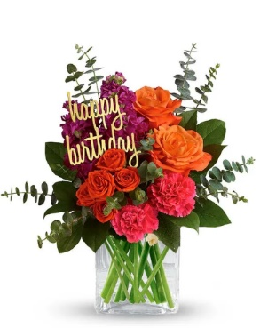
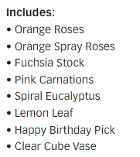
TBC03-1-2 | Be Bold on Your Birthday |  | Standard |  | Deluxe |  | Premium |  | Exquisite
 |  | ea. | TBC03-1-2s |  | TBC03-1-2d |  | TBC03-1-2p |  | TBC03-1-2e
 | retail (w/o delivery) |  |  | $45 |  | $55 |  | $65 |  | $95
 | FTD.com Retail |  |  | $55 |  | $65 |  | $75 |  | $105
Orange | 50 cm Roses | $0.96 | 2 | $1.92 | 3 | $2.88 | 6 | $5.76 |  | $0.00
Orange | Spray Rose stems | $0.90 | 1 | $0.90 | 1 | $0.90 | 1 | $0.90 |  | $0.00
Hot Pink | Stock stems | $0.85 | 2 | $1.70 | 3 | $2.55 | 3 | $2.55 |  | $0.00
Hot Pink | Standard Carnations | $0.53 | 2 | $1.06 | 3 | $1.59 | 4 | $2.12 |  | $0.00
 | Baby Blue Eucalyptus stems | $0.99 | 6 | $5.94 | 7 | $6.93 | 8 | $7.92 |  | $0.00
 | Salal tips | $0.26 | 3 | $0.78 | 4 | $1.04 | 4 | $1.04 |  | $0.00
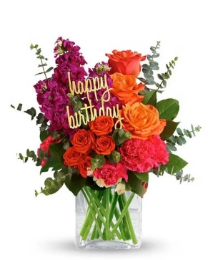
 |  |  |  | $0.00 |  | $0.00 |  | $0.00 |  | $0.00
 |  |  |  | $0.00 |  | $0.00 |  | $0.00 |  | $0.00
 |  |  |  | $0.00 |  | $0.00 |  | $0.00 |  | $0.00
 |  |  |  | $0.00 |  | $0.00 |  | $0.00 |  | $0.00
 | Birthday Pick | 3.5 | 1 | $3.50 | 1 | $3.50 | 1 | $3.50 |  | $0.00
 | Crystal Square 4x4 | $2.50 | 1 | $2.50 | 1 | $2.50 | 1 | $2.50 |  | $0.00
 | TOTAL |  |  | $18.30 |  | $21.89 |  | $26.29 |  | $0.00
 | retail (w/o delivery) |  |  | $44.99 |  | $54.99 |  | $64.99 |  | $94.99
 | executing value (retail * .71) | 0.71 |  | $31.94 |  | $39.04 |  | $46.14 |  | $67.44
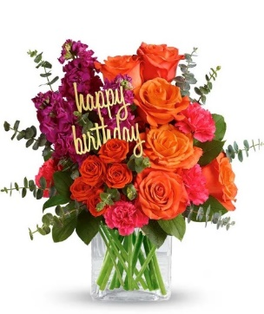
 | COGS (EV * .50) | 0.50 |  | $15.97 |  | $19.52 |  | $23.07 |  | $33.72 | Standard & deluxe have peach mini carns on the bottom under hot pink carns
 | Gross Margin (EV * .50) | 0.50 |  | $15.97 |  | $19.52 |  | $23.07 |  | $33.72
 | ACTUAL GROSS MARGIN (EV-TOTAL) |  |  | $13.64 |  | $17.15 |  | $19.85 |  | $67.44
 | Labor Cost (retail x -10%) | -10% |  | -$4.50 |  | -$5.50 |  | -$6.50 |  | -$9.50
 | FTO | -2.75 |  | -$2.75 |  | -$2.75 |  | -$2.75 |  | -$2.75
 | UCP Fee | -4.99 |  | -$4.99 |  | -$4.99 |  | -$4.99 |  | -$4.99
 | Other Fees | -3.00 |  | -$3.00 |  | -$3.00 |  | -$3.00 |  | -$3.00
 | TOTAL (bottom line that florist makes) |  |  | -$1.60 |  | $0.91 |  | $2.61 |  | $47.20
 | Net Margin (TOTAL abv/RETAIL) |  |  | -3.55% |  | 1.66% |  | 4.02% |  | 49.69%

 | Actual COGS Percentage of Retail w/o delivery |  |  | 40.68% |  | 39.81% |  | 40.45% |  | 0.00%

 |  |  | inches | cm | inches | cm | inches | cm | inches | cm
 |  | H |  | 0 |  | 0 |  | 0 |  | 0
 |  | W |  | 0 |  | 0 |  | 0 |  | 0

 |  |  |  | 40% |  | 40% |  | 20% |  | 20%
 |  |  |  | #REF! |  | #REF! |  | #REF! |  | #REF!

EDAY 2023 PRICING
 |  | NEW 2023 |  | CDAY 2023
 | Alstroemeria stems | $0.62 | -$0.29 | $0.91
 | Asiatic Lily stems | $1.47 | -$0.07 | $1.54
 | Button Pompon stems | $0.63 | -$0.12 | $0.75
 | Cushion Pompon stems | $0.63 | -$0.12 | $0.75
 | Daisy Pompon stems | $0.63 | -$0.12 | $0.75
 | Double Lisianthus stems | $1.28 | -$0.32 | $1.60
 | Delphinium stems, Belladonna | $1.06 | -$0.44 | $1.50
 | Delphinium stems, hybrid | $1.26 | -$0.92 | $2.18
 | Disbud Stem | $0.84 | -$0.13 | $0.97
 | Gerbera Daisies | $1.14 | -$0.36 | $1.50
Blue | Hydrangea blooms | $2.30 | $0.02 | $2.28
Green | Mini Hydrangea blooms | $1.69 | $0.05 | $1.64
White | Hydrangea blooms | $2.14 | $0.00 | $2.14
 | Hypericum Berry stems | $0.77 | -$0.13 | $0.90
 | Iris stems | $1.13 | -$0.07 | $1.20
 | LA Hybrid Lily stems | $1.47 | -$0.17 | $1.64
 | Limonium Blue stream | $0.84 | -$0.31 | $1.15
 | Limonium Misty Blue | $0.84 |  | $1.41
 | Matsumoto Aster stems | $0.79 | -$0.05 | $0.84
 | Mini Calla Lilies | $1.65 | -$0.77 | $2.42
 | Mini Carnation stems | $0.51 | -$0.18 | $0.69
 | Monte Casino stems | $0.66 | $0.00 | $0.66
White | Queen Anne's Lace | $1.29 |  | $1.25
 | Ranunculus | $1.64 |  | $2.85
Orange | 50 cm Roses | $0.96 | -$0.08 | $1.04
Yellow | 50 cm Roses | $0.96 | -$0.12 | $1.08
Peach | 50 cm Roses | $0.96 | -$0.12 | $1.08
Pink | 50 cm Roses | $0.96 | -$0.19 | $1.15
Lavender | 50 cm Roses | $0.96 | -$0.12 | $1.08
White | 50 cm Roses | $0.96 | -$0.32 | $1.28
Red | 50 cm Roses | $0.87 | -$0.31 | $1.18
 | Snapdragon stems | $0.92 | -$0.28 | $1.20
 | Solidago stems | $0.63 | $0.06 | $0.57
 | Spider Mums | $0.84 | $0.00 | $0.84
 | Spray Rose stems | $0.90 | -$0.52 | $1.42
 | Standard Carnations | $0.53 | -$0.18 | $0.71
 | Star of Bethlehem stems | $0.85 |  | $1.18
 | Statice stems | $0.59 | -$0.15 | $0.74
 | Stock stems | $0.85 | -$0.13 | $0.98
 | Sweet William | $0.77 | -$0.25 | $1.02
 | Eryngium thistle stems | $1.40 | -$0.30 | $1.70
Green | Trick Dianthus stems | $0.94 | -$0.16 | $1.10
 | Waxflower stems | $1.41 | -$0.19 | $1.60

 | Baby Blue Eucalyptus stems | $0.99 | -$0.01 | $1.00
 | Dusty Miller Stems | $0.98 |  | $1.05
 | Gunni Eucalyptus stems | $1.09 | -$0.19 | $1.28
 | Silver dollar Eucalyptus stems | $2.10 | $0.00 | $2.10
 | Green Pittosporum stems | $0.67 | -$0.04 | $0.71
 | Israeli Ruscus stems | $0.35 | -$0.05 | $0.40
 | Italian Variegated Pittosporum stems | $0.82 | -$0.08 | $0.90
 | Salal tips | $0.26 | -$0.02 | $0.28
 | Seeded Eucalyptus stems | $2.10 | -$0.03 | $2.13
 | Variegated Pittosporum stems | $0.69 | -$0.05 | $0.74

FTD-14-M6
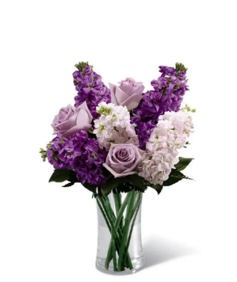
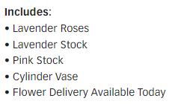
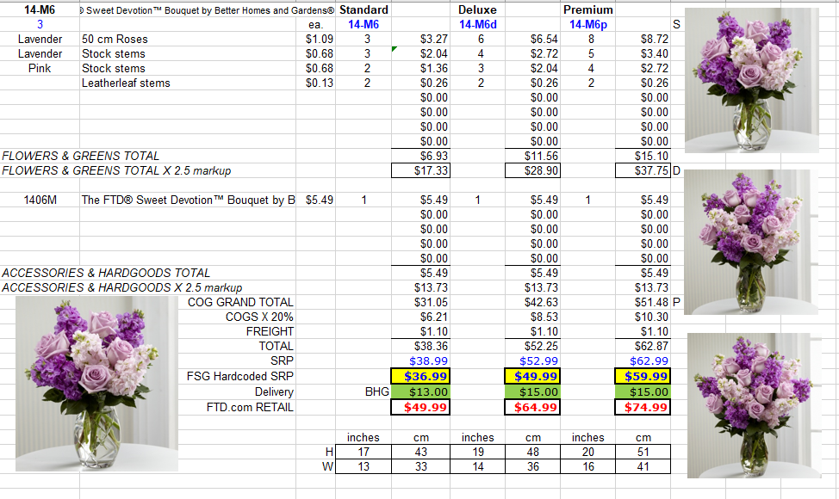
FTD-14-M6 | Sweet Devotion |  | Standard |  | Deluxe |  | Premium |  | Exquisite
 |  | ea. | FTD-14-M6s |  | FTD-14-M6d |  | FTD-14-M6p |  | FTD-14-M6e
 | retail (w/o delivery) |  |  | $50 |  | $65 |  | $80 |  | $110
 | FTD.com Retail |  |  | $60 |  | $75 |  | $90 |  | $120
Lavender | 50 cm Roses | $0.96 | 3 | $2.88 | 6 | $5.76 | 8 | $7.68 |  | $0.00
Lavender | Stock stems | $0.85 | 3 | $2.55 | 4 | $3.40 | 5 | $4.25 |  | $0.00
Pink | Stock stems | $0.85 | 2 | $1.70 | 3 | $2.55 | 4 | $3.40 |  | $0.00
 | Salal tips | $0.26 | 2 | $0.52 | 2 | $0.52 | 2 | $0.52 |  | $0.00
 |  |  |  | $0.00 |  | $0.00 |  | $0.00 |  | $0.00
 |  |  |  | $0.00 |  | $0.00 |  | $0.00 |  | $0.00
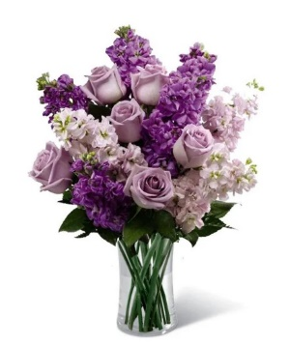
 |  |  |  | $0.00 |  | $0.00 |  | $0.00 |  | $0.00
 |  |  |  | $0.00 |  | $0.00 |  | $0.00 |  | $0.00
 |  |  |  | $0.00 |  | $0.00 |  | $0.00 |  | $0.00
 |  |  |  | $0.00 |  | $0.00 |  | $0.00 |  | $0.00
 |  |  |  | $0.00 |  | $0.00 |  | $0.00 |  | $0.00
 | Generic Clear Glass Vase | $2.50 | 1 | $2.50 | 1 | $2.50 | 1 | $2.50 |  | $0.00
 | TOTAL |  |  | $10.15 |  | $14.73 |  | $18.35 |  | $0.00
 | retail (w/o delivery) |  |  | $49.99 |  | $64.99 |  | $79.99 |  | $109.99 | Leatherleaf in the recipe, salal tips in the image
 | executing value (retail * .71) | 0.71 |  | $35.49 |  | $46.14 |  | $56.79 |  | $78.09 | $15.00 jumps between sizes, profitable
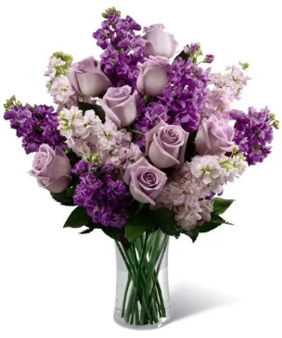
 | COGS (EV * .50) | 0.50 |  | $17.75 |  | $23.07 |  | $28.40 |  | $39.05
 | Gross Margin (EV * .50) | 0.50 |  | $17.75 |  | $23.07 |  | $28.40 |  | $39.05
 | ACTUAL GROSS MARGIN (EV-TOTAL) |  |  | $25.34 |  | $31.41 |  | $38.44 |  | $78.09
 | Labor Cost (retail x -10%) | -10% |  | -$5.00 |  | -$6.50 |  | -$8.00 |  | -$11.00
 | FTO | -2.75 |  | -$2.75 |  | -$2.75 |  | -$2.75 |  | -$2.75
 | UCP Fee | -4.99 |  | -$4.99 |  | -$4.99 |  | -$4.99 |  | -$4.99
 | Other Fees | -3.00 |  | -$3.00 |  | -$3.00 |  | -$3.00 |  | -$3.00
 | TOTAL (bottom line that florist makes) |  |  | $9.60 |  | $14.17 |  | $19.70 |  | $56.35
 | Net Margin (TOTAL abv/RETAIL) |  |  | 19.21% |  | 21.81% |  | 24.63% |  | 51.24%

 | Actual COGS Percentage of Retail w/o delivery |  |  | 20.30% |  | 22.67% |  | 22.94% |  | 0.00%

 |  |  | inches | cm | inches | cm | inches | cm | inches | cm
 |  | H |  | 0 |  | 0 |  | 0 |  | 0
 |  | W |  | 0 |  | 0 |  | 0 |  | 0

 |  |  |  | 40% |  | 40% |  | 20% |  | 20%
 |  |  |  | #REF! |  | #REF! |  | #REF! |  | #REF!

EDAY 2023 PRICING
 |  | NEW 2023 |  | CDAY 2023
 | Alstroemeria stems | $0.62 | -$0.29 | $0.91
 | Asiatic Lily stems | $1.47 | -$0.07 | $1.54
 | Button Pompon stems | $0.63 | -$0.12 | $0.75
 | Cushion Pompon stems | $0.63 | -$0.12 | $0.75
 | Daisy Pompon stems | $0.63 | -$0.12 | $0.75
 | Double Lisianthus stems | $1.28 | -$0.32 | $1.60
 | Delphinium stems, Belladonna | $1.06 | -$0.44 | $1.50
 | Delphinium stems, hybrid | $1.26 | -$0.92 | $2.18
 | Disbud Stem | $0.84 | -$0.13 | $0.97
 | Gerbera Daisies | $1.14 | -$0.36 | $1.50
Blue | Hydrangea blooms | $2.30 | $0.02 | $2.28
Green | Mini Hydrangea blooms | $1.69 | $0.05 | $1.64
White | Hydrangea blooms | $2.14 | $0.00 | $2.14
 | Hypericum Berry stems | $0.77 | -$0.13 | $0.90
 | Iris stems | $1.13 | -$0.07 | $1.20
 | LA Hybrid Lily stems | $1.47 | -$0.17 | $1.64
 | Limonium Blue stream | $0.84 | -$0.31 | $1.15
 | Limonium Misty Blue | $0.84 |  | $1.41
 | Matsumoto Aster stems | $0.79 | -$0.05 | $0.84
 | Mini Calla Lilies | $1.65 | -$0.77 | $2.42
 | Mini Carnation stems | $0.51 | -$0.18 | $0.69
 | Monte Casino stems | $0.66 | $0.00 | $0.66
White | Queen Anne's Lace | $1.29 |  | $1.25
 | Ranunculus | $1.64 |  | $2.85
Orange | 50 cm Roses | $0.96 | -$0.08 | $1.04
Yellow | 50 cm Roses | $0.96 | -$0.12 | $1.08
Peach | 50 cm Roses | $0.96 | -$0.12 | $1.08
Pink | 50 cm Roses | $0.96 | -$0.19 | $1.15
Lavender | 50 cm Roses | $0.96 | -$0.12 | $1.08
White | 50 cm Roses | $0.96 | -$0.32 | $1.28
Red | 50 cm Roses | $0.87 | -$0.31 | $1.18
 | Snapdragon stems | $0.92 | -$0.28 | $1.20
 | Solidago stems | $0.63 | $0.06 | $0.57
 | Spider Mums | $0.84 | $0.00 | $0.84
 | Spray Rose stems | $0.90 | -$0.52 | $1.42
 | Standard Carnations | $0.53 | -$0.18 | $0.71
 | Star of Bethlehem stems | $0.85 |  | $1.18
 | Statice stems | $0.59 | -$0.15 | $0.74
 | Stock stems | $0.85 | -$0.13 | $0.98
 | Sweet William | $0.77 | -$0.25 | $1.02
 | Eryngium thistle stems | $1.40 | -$0.30 | $1.70
Green | Trick Dianthus stems | $0.94 | -$0.16 | $1.10
 | Waxflower stems | $1.41 | -$0.19 | $1.60

 | Baby Blue Eucalyptus stems | $0.99 | -$0.01 | $1.00
 | Dusty Miller Stems | $0.98 |  | $1.05
 | Gunni Eucalyptus stems | $1.09 | -$0.19 | $1.28
 | Silver dollar Eucalyptus stems | $2.10 | $0.00 | $2.10
 | Green Pittosporum stems | $0.67 | -$0.04 | $0.71
 | Israeli Ruscus stems | $0.35 | -$0.05 | $0.40
 | Italian Variegated Pittosporum stems | $0.82 | -$0.08 | $0.90
 | Leatherleaf stems | $0.18 | $0.00 | $0.18
 | Salal tips | $0.26 | -$0.02 | $0.28
 | Seeded Eucalyptus stems | $2.10 | -$0.03 | $2.13
 | Variegated Pittosporum stems | $0.69 | -$0.05 | $0.74

BF224-11K
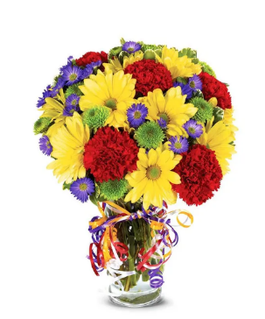
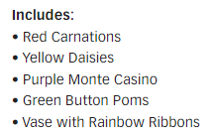
BF224-11K | Best Wishes Bouquet |  | Standard |  | Deluxe |  | Premium |  | Exquisite
 |  | ea. | BF224-11Ks |  | BF224-11Kd |  | BF224-11Kp |  | BF224-11Ke
 | retail (w/o delivery) |  |  | $25 |  | $35 |  | $55 |  | $85
 | FTD.com Retail |  |  | $35 |  | $45 |  | $65 |  | $95
 | Standard Carnations | $0.53 | 5 | $2.65 | 6 | $3.18 | 8 | $4.24 |  | $0.00
 | Daisy Pompon stems | $0.63 | 2 | $1.26 | 3 | $1.89 | 4 | $2.52 |  | $0.00
 | Button Pompon stems | $0.63 | 2 | $1.26 | 3 | $1.89 | 4 | $2.52 |  | $0.00
 | Monte Casino stems | $0.66 | 2 | $1.32 | 3 | $1.98 | 4 | $2.64 |  | $0.00
 | Variegated Pittosporum stems | $0.69 | 1 | $0.69 | 2 | $1.38 | 2 | $1.38 |  | $0.00
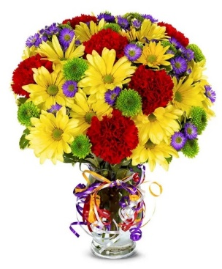
 |  |  |  | $0.00 |  | $0.00 |  | $0.00 |  | $0.00
 |  |  |  | $0.00 |  | $0.00 |  | $0.00 |  | $0.00
 |  |  |  | $0.00 |  | $0.00 |  | $0.00 |  | $0.00
 |  |  |  | $0.00 |  | $0.00 |  | $0.00 |  | $0.00
 |  |  |  | $0.00 |  | $0.00 |  | $0.00 |  | $0.00
 | Ballon ribbon | 0.35 | 1 | $0.35 | 1 | $0.35 | 1 | $0.35 |  | $0.00
 | Vase | $2.50 | 1 | $2.50 | 1 | $2.50 | 1 | $2.50 |  | $0.00
 | TOTAL |  |  | $10.03 |  | $13.17 |  | $16.15 |  | $0.00
 | retail (w/o delivery) |  |  | $24.99 |  | $34.99 |  | $54.99 |  | $84.99
 | executing value (retail * .71) | 0.71 |  | $17.74 |  | $24.84 |  | $39.04 |  | $60.34
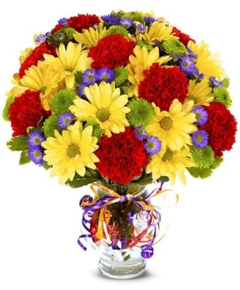
 | COGS (EV * .50) | 0.50 |  | $8.87 |  | $12.42 |  | $19.52 |  | $30.17
 | Gross Margin (EV * .50) | 0.50 |  | $8.87 |  | $12.42 |  | $19.52 |  | $30.17
 | ACTUAL GROSS MARGIN (EV-TOTAL) |  |  | $7.71 |  | $11.67 |  | $22.89 |  | $60.34
 | Labor Cost (retail x -10%) | -10% |  | -$2.50 |  | -$3.50 |  | -$5.50 |  | -$8.50
 | FTO | -2.75 |  | -$2.75 |  | -$2.75 |  | -$2.75 |  | -$2.75
 | UCP Fee | -4.99 |  | -$4.99 |  | -$4.99 |  | -$4.99 |  | -$4.99
 | Other Fees | -3.00 |  | -$3.00 |  | -$3.00 |  | -$3.00 |  | -$3.00
 | TOTAL (bottom line that florist makes) |  |  | -$5.53 |  | -$2.57 |  | $6.65 |  | $41.10
 | Net Margin (TOTAL abv/RETAIL) |  |  | -22.11% |  | -7.33% |  | 12.10% |  | 48.36%

 | Actual COGS Percentage of Retail w/o delivery |  |  | 40.14% |  | 37.64% |  | 29.37% |  | 0.00%

 |  |  | inches | cm | inches | cm | inches | cm | inches | cm
 |  | H |  | 0 |  | 0 |  | 0 |  | 0
 |  | W |  | 0 |  | 0 |  | 0 |  | 0

 |  |  |  | 40% |  | 40% |  | 20% |  | 20%
 |  |  |  | #REF! |  | #REF! |  | #REF! |  | #REF!

EDAY 2023 PRICING
 |  | NEW 2023 |  | CDAY 2023
 | Alstroemeria stems | $0.62 | -$0.29 | $0.91
 | Asiatic Lily stems | $1.47 | -$0.07 | $1.54
 | Button Pompon stems | $0.63 | -$0.12 | $0.75
 | Cushion Pompon stems | $0.63 | -$0.12 | $0.75
 | Daisy Pompon stems | $0.63 | -$0.12 | $0.75
 | Double Lisianthus stems | $1.28 | -$0.32 | $1.60
 | Delphinium stems, Belladonna | $1.06 | -$0.44 | $1.50
 | Delphinium stems, hybrid | $1.26 | -$0.92 | $2.18
 | Disbud Stem | $0.84 | -$0.13 | $0.97
 | Gerbera Daisies | $1.14 | -$0.36 | $1.50
Blue | Hydrangea blooms | $2.30 | $0.02 | $2.28
Green | Mini Hydrangea blooms | $1.69 | $0.05 | $1.64
White | Hydrangea blooms | $2.14 | $0.00 | $2.14
 | Hypericum Berry stems | $0.77 | -$0.13 | $0.90
 | Iris stems | $1.13 | -$0.07 | $1.20
 | LA Hybrid Lily stems | $1.47 | -$0.17 | $1.64
 | Limonium Blue stream | $0.84 | -$0.31 | $1.15
 | Limonium Misty Blue | $0.84 |  | $1.41
 | Matsumoto Aster stems | $0.79 | -$0.05 | $0.84
 | Mini Calla Lilies | $1.65 | -$0.77 | $2.42
 | Mini Carnation stems | $0.51 | -$0.18 | $0.69
 | Monte Casino stems | $0.66 | $0.00 | $0.66
White | Queen Anne's Lace | $1.29 |  | $1.25
 | Ranunculus | $1.64 |  | $2.85
Orange | 50 cm Roses | $0.96 | -$0.08 | $1.04
Yellow | 50 cm Roses | $0.96 | -$0.12 | $1.08
Peach | 50 cm Roses | $0.96 | -$0.12 | $1.08
Pink | 50 cm Roses | $0.96 | -$0.19 | $1.15
Lavender | 50 cm Roses | $0.96 | -$0.12 | $1.08
White | 50 cm Roses | $0.96 | -$0.32 | $1.28
Red | 50 cm Roses | $0.87 | -$0.31 | $1.18
 | Snapdragon stems | $0.92 | -$0.28 | $1.20
 | Solidago stems | $0.63 | $0.06 | $0.57
 | Spider Mums | $0.84 | $0.00 | $0.84
 | Spray Rose stems | $0.90 | -$0.52 | $1.42
 | Standard Carnations | $0.53 | -$0.18 | $0.71
 | Star of Bethlehem stems | $0.85 |  | $1.18
 | Statice stems | $0.59 | -$0.15 | $0.74
 | Stock stems | $0.85 | -$0.13 | $0.98
 | Sweet William | $0.77 | -$0.25 | $1.02
 | Eryngium thistle stems | $1.40 | -$0.30 | $1.70
Green | Trick Dianthus stems | $0.94 | -$0.16 | $1.10
 | Waxflower stems | $1.41 | -$0.19 | $1.60

 | Baby Blue Eucalyptus stems | $0.99 | -$0.01 | $1.00
 | Dusty Miller Stems | $0.98 |  | $1.05
 | Gunni Eucalyptus stems | $1.09 | -$0.19 | $1.28
 | Silver dollar Eucalyptus stems | $2.10 | $0.00 | $2.10
 | Green Pittosporum stems | $0.67 | -$0.04 | $0.71
 | Israeli Ruscus stems | $0.35 | -$0.05 | $0.40
 | Italian Variegated Pittosporum stems | $0.82 | -$0.08 | $0.90
 | Salal tips | $0.26 | -$0.02 | $0.28
 | Seeded Eucalyptus stems | $2.10 | -$0.03 | $2.13
 | Variegated Pittosporum stems | $0.69 | -$0.05 | $0.74

BF82-11K
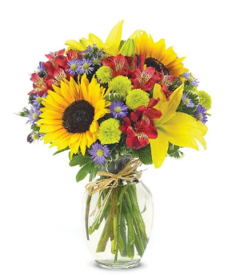
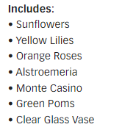
BF82-11K | European Garden Bouquet |  | Standard |  | Deluxe |  | Premium |  | Exquisite
 |  | ea. | BF82-11Ks |  | BF82-11Kd |  | BF82-11Kp |  | BF82-11Ke
 | retail (w/o delivery) |  |  | $35 |  | $45 |  | $55 |  | $85
 | FTD.com Retail |  |  | $45 |  | $55 |  | $65 |  | $95
Yellow | Sunflowers | $1.12 | 2 | $2.24 | 3 | $3.36 | 3 | $3.36 |  | $0.00
Yellow | Asiatic Lily stems | $1.47 | 2 | $2.94 | 5 | $7.35 | 5 | $7.35 |  | $0.00
Orange | 50 cm Roses | $0.96 | 0 | $0.00 | 3 | $2.88 | 4 | $3.84 |  | $0.00
Purple | Monte Casino stems | $0.66 | 3 | $1.98 | 4 | $2.64 | 4 | $2.64 |  | $0.00
Green | Button Pompon stems | $0.63 | 2 | $1.26 | 3 | $1.89 | 3 | $1.89 |  | $0.00
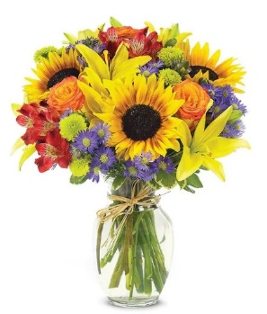
Hot Pink | Alstroemeria stems | $0.62 | 2 | $1.24 | 2 | $1.24 | 3 | $1.86 |  | $0.00
 | Variegated Pittosporum stems | $0.69 | 2 | $1.38 | 2 | $1.38 | 2 | $1.38 |  | $0.00
 |  |  |  | $0.00 |  | $0.00 |  | $0.00 |  | $0.00
 |  |  |  | $0.00 |  | $0.00 |  | $0.00 |  | $0.00
 |  |  |  | $0.00 |  | $0.00 |  | $0.00 |  | $0.00
 | Raffia | 0.25 | 1 | $0.25 | 1 | $0.25 | 1 | $0.25 |  | $0.00
 | Vase | $2.50 | 1 | $2.50 | 1 | $2.50 | 1 | $2.50 |  | $0.00
 | TOTAL |  |  | $13.79 |  | $23.49 |  | $25.07 |  | $0.00
 | retail (w/o delivery) |  |  | $34.99 |  | $44.99 |  | $54.99 |  | $84.99
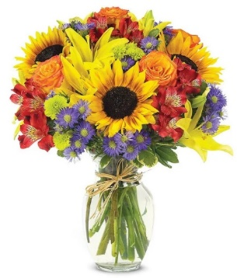
 | executing value (retail * .71) | 0.71 |  | $24.84 |  | $31.94 |  | $39.04 |  | $60.34
 | COGS (EV * .50) | 0.50 |  | $12.42 |  | $15.97 |  | $19.52 |  | $30.17
 | Gross Margin (EV * .50) | 0.50 |  | $12.42 |  | $15.97 |  | $19.52 |  | $30.17
 | ACTUAL GROSS MARGIN (EV-TOTAL) |  |  | $11.05 |  | $8.45 |  | $13.97 |  | $60.34
 | Labor Cost (retail x -10%) | -10% |  | -$3.50 |  | -$4.50 |  | -$5.50 |  | -$8.50
 | FTO | -2.75 |  | -$2.75 |  | -$2.75 |  | -$2.75 |  | -$2.75
 | UCP Fee | -4.99 |  | -$4.99 |  | -$4.99 |  | -$4.99 |  | -$4.99
 | Other Fees | -3.00 |  | -$3.00 |  | -$3.00 |  | -$3.00 |  | -$3.00
 | TOTAL (bottom line that florist makes) |  |  | -$3.19 |  | -$6.79 |  | -$2.27 |  | $41.10
 | Net Margin (TOTAL abv/RETAIL) |  |  | -9.11% |  | -15.08% |  | -4.12% |  | 48.36%

 | Actual COGS Percentage of Retail w/o delivery |  |  | 39.41% |  | 52.21% |  | 45.59% |  | 0.00%

 |  |  | inches | cm | inches | cm | inches | cm | inches | cm
 |  | H |  | 0 |  | 0 |  | 0 |  | 0
 |  | W |  | 0 |  | 0 |  | 0 |  | 0

 |  |  |  | 40% |  | 40% |  | 20% |  | 20%
 |  |  |  | #REF! |  | #REF! |  | #REF! |  | #REF!

EDAY 2023 PRICING
 |  | NEW 2023 |  | CDAY 2023
 | Alstroemeria stems | $0.62 | -$0.29 | $0.91
 | Asiatic Lily stems | $1.47 | -$0.07 | $1.54
 | Button Pompon stems | $0.63 | -$0.12 | $0.75
 | Cushion Pompon stems | $0.63 | -$0.12 | $0.75
 | Daisy Pompon stems | $0.63 | -$0.12 | $0.75
 | Double Lisianthus stems | $1.28 | -$0.32 | $1.60
 | Delphinium stems, Belladonna | $1.06 | -$0.44 | $1.50
 | Delphinium stems, hybrid | $1.26 | -$0.92 | $2.18
 | Disbud Stem | $0.84 | -$0.13 | $0.97
 | Gerbera Daisies | $1.14 | -$0.36 | $1.50
Blue | Hydrangea blooms | $2.30 | $0.02 | $2.28
Green | Mini Hydrangea blooms | $1.69 | $0.05 | $1.64
White | Hydrangea blooms | $2.14 | $0.00 | $2.14
 | Hypericum Berry stems | $0.77 | -$0.13 | $0.90
 | Iris stems | $1.13 | -$0.07 | $1.20
 | LA Hybrid Lily stems | $1.47 | -$0.17 | $1.64
 | Limonium Blue stream | $0.84 | -$0.31 | $1.15
 | Limonium Misty Blue | $0.84 |  | $1.41
 | Matsumoto Aster stems | $0.79 | -$0.05 | $0.84
 | Mini Calla Lilies | $1.65 | -$0.77 | $2.42
 | Mini Carnation stems | $0.51 | -$0.18 | $0.69
 | Monte Casino stems | $0.66 | $0.00 | $0.66
White | Queen Anne's Lace | $1.29 |  | $1.25
 | Ranunculus | $1.64 |  | $2.85
Orange | 50 cm Roses | $0.96 | -$0.08 | $1.04
Yellow | 50 cm Roses | $0.96 | -$0.12 | $1.08
Peach | 50 cm Roses | $0.96 | -$0.12 | $1.08
Pink | 50 cm Roses | $0.96 | -$0.19 | $1.15
Lavender | 50 cm Roses | $0.96 | -$0.12 | $1.08
White | 50 cm Roses | $0.96 | -$0.32 | $1.28
Red | 50 cm Roses | $0.87 | -$0.31 | $1.18
 | Snapdragon stems | $0.92 | -$0.28 | $1.20
 | Solidago stems | $0.63 | $0.06 | $0.57
 | Spider Mums | $0.84 | $0.00 | $0.84
 | Spray Rose stems | $0.90 | -$0.52 | $1.42
 | Standard Carnations | $0.53 | -$0.18 | $0.71
 | Star of Bethlehem stems | $0.85 |  | $1.18
 | Statice stems | $0.59 | -$0.15 | $0.74
 | Stock stems | $0.85 | -$0.13 | $0.98
 | Sweet William | $0.77 | -$0.25 | $1.02
 | Eryngium thistle stems | $1.40 | -$0.30 | $1.70
Green | Trick Dianthus stems | $0.94 | -$0.16 | $1.10
 | Waxflower stems | $1.41 | -$0.19 | $1.60

 | Baby Blue Eucalyptus stems | $0.99 | -$0.01 | $1.00
 | Dusty Miller Stems | $0.98 |  | $1.05
 | Gunni Eucalyptus stems | $1.09 | -$0.19 | $1.28
 | Silver dollar Eucalyptus stems | $2.10 | $0.00 | $2.10
 | Green Pittosporum stems | $0.67 | -$0.04 | $0.71
 | Israeli Ruscus stems | $0.35 | -$0.05 | $0.40
 | Italian Variegated Pittosporum stems | $0.82 | -$0.08 | $0.90
 | Salal tips | $0.26 | -$0.02 | $0.28
 | Seeded Eucalyptus stems | $2.10 | -$0.03 | $2.13
 | Variegated Pittosporum stems | $0.69 | -$0.05 | $0.74

T21S100
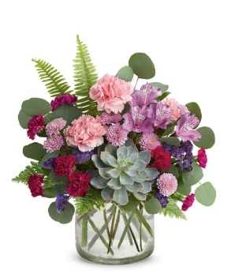
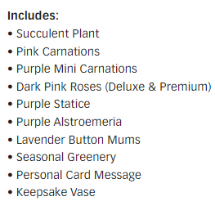
23-T21S100 | Wine Country Blossoms |  | Standard |  | Deluxe |  | Premium |  | Exquisite
 |  | ea. | 23-T21S100s |  | 23-T21S100d |  | 23-T21S100p |  | 23-T21S100e
 | retail (w/o delivery) |  |  | $45 |  | $55 |  | $65 |  | $95
 | FTD.com Retail |  |  | $55 |  | $65 |  | $75 |  | $105
Pink | Standard Carnations | $0.53 | 3 | $1.59 | 2 | $1.06 | 2 | $1.06 |  | $0.00
Purple | Mini Carnation stems | $0.51 | 3 | $1.53 | 3 | $1.53 | 3 | $1.53 |  | $0.00
Pink | 50 cm Roses | $0.96 | 0 | $0.00 | 3 | $2.88 | 5 | $4.80 |  | $0.00
Lavender | Alstroemeria stems | $0.62 | 1 | $0.62 | 1 | $0.62 | 2 | $1.24 |  | $0.00
Purple | Statice stems | $0.59 | 2 | $1.18 | 2 | $1.18 | 2 | $1.18 |  | $0.00
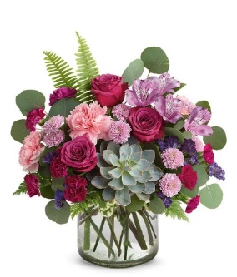
Lavender | Button Pompon stems | $0.63 | 3 | $1.89 | 3 | $1.89 | 3 | $1.89 |  | $0.00
 | Variegated Pittosporum stems | $0.69 | 1 | $0.69 | 1 | $0.69 | 1 | $0.69 |  | $0.00
 | Fern | $0.25 | 5 | $1.25 | 5 | $1.25 | 7 | $1.75 |  | $0.00
 | Silver dollar Eucalyptus stems | $2.10 | 2 | $4.20 | 2 | $4.20 | 3 | $6.30 |  | $0.00
Green | Echevaria Succulent | $3.50 | 1 | $3.50 | 1 | $3.50 | 1 | $3.50 |  | $0.00
 |  |  |  | $0.00 |  | $0.00 |  | $0.00 |  | $0.00
 | Vase | $2.50 | 1 | $2.50 | 1 | $2.50 | 1 | $2.50 |  | $0.00
 | TOTAL |  |  | $18.95 |  | $21.30 |  | $26.44 |  | $0.00
 | retail (w/o delivery) |  |  | $44.99 |  | $54.99 |  | $64.99 |  | $94.99
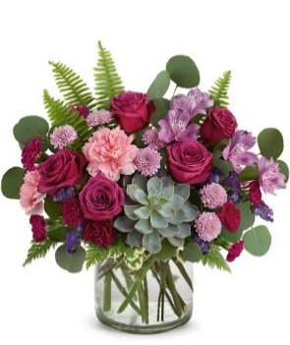
 | executing value (retail * .71) | 0.71 |  | $31.94 |  | $39.04 |  | $46.14 |  | $67.44
 | COGS (EV * .50) | 0.50 |  | $15.97 |  | $19.52 |  | $23.07 |  | $33.72
 | Gross Margin (EV * .50) | 0.50 |  | $15.97 |  | $19.52 |  | $23.07 |  | $33.72
 | ACTUAL GROSS MARGIN (EV-TOTAL) |  |  | $12.99 |  | $17.74 |  | $19.70 |  | $67.44
 | Labor Cost (retail x -10%) | -10% |  | -$4.50 |  | -$5.50 |  | -$6.50 |  | -$9.50
 | FTO | -2.75 |  | -$2.75 |  | -$2.75 |  | -$2.75 |  | -$2.75
 | UCP Fee | -4.99 |  | -$4.99 |  | -$4.99 |  | -$4.99 |  | -$4.99
 | Other Fees | -3.00 |  | -$3.00 |  | -$3.00 |  | -$3.00 |  | -$3.00
 | TOTAL (bottom line that florist makes) |  |  | -$2.25 |  | $1.50 |  | $2.46 |  | $47.20
 | Net Margin (TOTAL abv/RETAIL) |  |  | -4.99% |  | 2.73% |  | 3.79% |  | 49.69%

 | Actual COGS Percentage of Retail w/o delivery |  |  | 42.12% |  | 38.73% |  | 40.68% |  | 0.00%

 |  |  | inches | cm | inches | cm | inches | cm | inches | cm
 |  | H |  | 0 |  | 0 |  | 0 |  | 0
 |  | W |  | 0 |  | 0 |  | 0 |  | 0
 |  | W |  | 0 |  | 0 |  | 0 |  | 0

EDAY 2023 PRICING
 |  | NEW 2023 |  | CDAY 2023
 | Alstroemeria stems | $0.62 | -$0.29 | $0.91
 | Asiatic Lily stems | $1.47 | -$0.07 | $1.54
 | Button Pompon stems | $0.63 | -$0.12 | $0.75
 | Cushion Pompon stems | $0.63 | -$0.12 | $0.75
 | Daisy Pompon stems | $0.63 | -$0.12 | $0.75
 | Double Lisianthus stems | $1.28 | -$0.32 | $1.60
 | Delphinium stems, Belladonna | $1.06 | -$0.44 | $1.50
 | Delphinium stems, hybrid | $1.26 | -$0.92 | $2.18
 | Disbud Stem | $0.84 | -$0.13 | $0.97
 | Gerbera Daisies | $1.14 | -$0.36 | $1.50
Blue | Hydrangea blooms | $2.30 | $0.02 | $2.28
Green | Mini Hydrangea blooms | $1.69 | $0.05 | $1.64
White | Hydrangea blooms | $2.14 | $0.00 | $2.14
 | Hypericum Berry stems | $0.77 | -$0.13 | $0.90
 | Iris stems | $1.13 | -$0.07 | $1.20
 | LA Hybrid Lily stems | $1.47 | -$0.17 | $1.64
 | Limonium Blue stream | $0.84 | -$0.31 | $1.15
 | Limonium Misty Blue | $0.84 |  | $1.41
 | Matsumoto Aster stems | $0.79 | -$0.05 | $0.84
 | Mini Calla Lilies | $1.65 | -$0.77 | $2.42
 | Mini Carnation stems | $0.51 | -$0.18 | $0.69
 | Monte Casino stems | $0.66 | $0.00 | $0.66
White | Queen Anne's Lace | $1.29 |  | $1.25
 | Ranunculus | $1.64 |  | $2.85
Orange | 50 cm Roses | $0.96 | -$0.08 | $1.04
Yellow | 50 cm Roses | $0.96 | -$0.12 | $1.08
Peach | 50 cm Roses | $0.96 | -$0.12 | $1.08
Pink | 50 cm Roses | $0.96 | -$0.19 | $1.15
Lavender | 50 cm Roses | $0.96 | -$0.12 | $1.08
White | 50 cm Roses | $0.96 | -$0.32 | $1.28
Red | 50 cm Roses | $0.87 | -$0.31 | $1.18
 | Snapdragon stems | $0.92 | -$0.28 | $1.20
 | Solidago stems | $0.63 | $0.06 | $0.57
 | Spider Mums | $0.84 | $0.00 | $0.84
 | Spray Rose stems | $0.90 | -$0.52 | $1.42
 | Standard Carnations | $0.53 | -$0.18 | $0.71
 | Star of Bethlehem stems | $0.85 |  | $1.18
 | Statice stems | $0.59 | -$0.15 | $0.74
 | Stock stems | $0.85 | -$0.13 | $0.98
 | Sweet William | $0.77 | -$0.25 | $1.02
 | Eryngium thistle stems | $1.40 | -$0.30 | $1.70
Green | Trick Dianthus stems | $0.94 | -$0.16 | $1.10
 | Waxflower stems | $1.41 | -$0.19 | $1.60

 | Baby Blue Eucalyptus stems | $0.99 | -$0.01 | $1.00
 | Dusty Miller Stems | $0.98 |  | $1.05
 | Gunni Eucalyptus stems | $1.09 | -$0.19 | $1.28
 | Silver dollar Eucalyptus stems | $2.10 | $0.00 | $2.10
 | Green Pittosporum stems | $0.67 | -$0.04 | $0.71
 | Israeli Ruscus stems | $0.35 | -$0.05 | $0.40
 | Italian Variegated Pittosporum stems | $0.82 | -$0.08 | $0.90
 | Salal tips | $0.26 | -$0.02 | $0.28
 | Seeded Eucalyptus stems | $2.10 | -$0.03 | $2.13
 | Variegated Pittosporum stems | $0.69 | -$0.05 | $0.74

TEV12-4
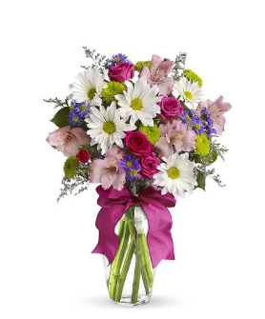
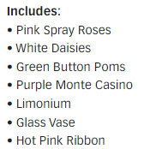
23-TEV12-4 | Pretty Please |  | Standard |  | Deluxe |  | Premium |  | Exquisite
 |  | ea. | 23-TEV12-4s |  | 23-TEV12-4d |  | 23-TEV12-4p |  | 23-TEV12-4e
 | retail (w/o delivery) |  |  | $30 |  | $40 |  | $50 |  | $80
 | FTD.com Retail |  |  | $40 |  | $50 |  | $60 |  | $90
Hot Pink | Spray Rose stems | $0.90 | 2 | $1.80 | 4 | $3.60 | 6 | $5.40 |  | $0.00
White | Daisy Pompon stems | $0.63 | 1 | $0.63 | 2 | $1.26 | 3 | $1.89 |  | $0.00
Green | Button Pompon stems | $0.63 | 2 | $1.26 | 2 | $1.26 | 3 | $1.89 |  | $0.00
Purple | Monte Casino stems | $0.66 | 3 | $1.98 | 3 | $1.98 | 4 | $2.64 |  | $0.00
Purple | Limonium Misty Blue | $0.84 | 1 | $0.84 | 2 | $1.68 | 2 | $1.68 |  | $0.00
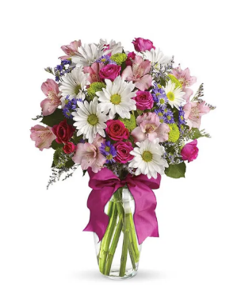
Pink | Alstroemeria stems | $0.62 | 2 | $1.24 | 3 | $1.86 | 5 | $3.10 |  | $0.00
 | Salal tips | $0.26 | 2 | $0.52 | 2 | $0.52 | 2 | $0.52 |  | $0.00
 |  |  |  | $0.00 |  | $0.00 |  | $0.00 |  | $0.00
 |  |  |  | $0.00 |  | $0.00 |  | $0.00 |  | $0.00
 |  |  |  | $0.00 |  | $0.00 |  | $0.00 |  | $0.00
Hot Pink | R-DBL Satin #9 | $0.41 | 1 | $0.41 | 1 | $0.41 | 1 | $0.41 |  | $0.00
 | Vase | $2.50 | 1 | $2.50 | 1 | $2.50 | 1 | $2.50 |  | $0.00
 | TOTAL |  |  | $11.18 |  | $15.07 |  | $20.03 |  | $0.00
 | retail (w/o delivery) |  |  | $29.99 |  | $39.99 |  | $49.99 |  | $79.99 | Alstroemeria is not on the list of flowers but is in the images
 | executing value (retail * .71) | 0.71 |  | $21.29 |  | $28.39 |  | $35.49 |  | $56.79
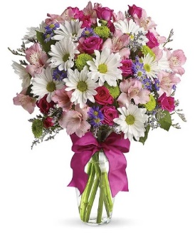
 | COGS (EV * .50) | 0.50 |  | $10.65 |  | $14.20 |  | $17.75 |  | $28.40
 | Gross Margin (EV * .50) | 0.50 |  | $10.65 |  | $14.20 |  | $17.75 |  | $28.40
 | ACTUAL GROSS MARGIN (EV-TOTAL) |  |  | $10.11 |  | $13.32 |  | $15.46 |  | $56.79
 | Labor Cost (retail x -10%) | -10% |  | -$3.00 |  | -$4.00 |  | -$5.00 |  | -$8.00
 | FTO | -2.75 |  | -$2.75 |  | -$2.75 |  | -$2.75 |  | -$2.75
 | UCP Fee | -4.99 |  | -$4.99 |  | -$4.99 |  | -$4.99 |  | -$4.99
 | Other Fees | -3.00 |  | -$3.00 |  | -$3.00 |  | -$3.00 |  | -$3.00
 | TOTAL (bottom line that florist makes) |  |  | -$3.63 |  | -$1.42 |  | -$0.28 |  | $38.05
 | Net Margin (TOTAL abv/RETAIL) |  |  | -12.09% |  | -3.54% |  | -0.55% |  | 47.57%

 | Actual COGS Percentage of Retail w/o delivery |  |  | 37.28% |  | 37.68% |  | 40.07% |  | 0.00%

 |  |  | inches | cm | inches | cm | inches | cm | inches | cm
 |  | H |  | 0 |  | 0 |  | 0 |  | 0
 |  | W |  | 0 |  | 0 |  | 0 |  | 0
 |  | W |  | 0 |  | 0 |  | 0 |  | 0

EDAY 2023 PRICING
 |  | NEW 2023 |  | CDAY 2023
 | Alstroemeria stems | $0.62 | -$0.29 | $0.91
 | Asiatic Lily stems | $1.47 | -$0.07 | $1.54
 | Button Pompon stems | $0.63 | -$0.12 | $0.75
 | Cushion Pompon stems | $0.63 | -$0.12 | $0.75
 | Daisy Pompon stems | $0.63 | -$0.12 | $0.75
 | Double Lisianthus stems | $1.28 | -$0.32 | $1.60
 | Delphinium stems, Belladonna | $1.06 | -$0.44 | $1.50
 | Delphinium stems, hybrid | $1.26 | -$0.92 | $2.18
 | Disbud Stem | $0.84 | -$0.13 | $0.97
 | Gerbera Daisies | $1.14 | -$0.36 | $1.50
Blue | Hydrangea blooms | $2.30 | $0.02 | $2.28
Green | Mini Hydrangea blooms | $1.69 | $0.05 | $1.64
White | Hydrangea blooms | $2.14 | $0.00 | $2.14
 | Hypericum Berry stems | $0.77 | -$0.13 | $0.90
 | Iris stems | $1.13 | -$0.07 | $1.20
 | LA Hybrid Lily stems | $1.47 | -$0.17 | $1.64
 | Limonium Blue stream | $0.84 | -$0.31 | $1.15
 | Limonium Misty Blue | $0.84 |  | $1.41
 | Matsumoto Aster stems | $0.79 | -$0.05 | $0.84
 | Mini Calla Lilies | $1.65 | -$0.77 | $2.42
 | Mini Carnation stems | $0.51 | -$0.18 | $0.69
 | Monte Casino stems | $0.66 | $0.00 | $0.66
White | Queen Anne's Lace | $1.29 |  | $1.25
 | Ranunculus | $1.64 |  | $2.85
Orange | 50 cm Roses | $0.96 | -$0.08 | $1.04
Yellow | 50 cm Roses | $0.96 | -$0.12 | $1.08
Peach | 50 cm Roses | $0.96 | -$0.12 | $1.08
Pink | 50 cm Roses | $0.96 | -$0.19 | $1.15
Lavender | 50 cm Roses | $0.96 | -$0.12 | $1.08
White | 50 cm Roses | $0.96 | -$0.32 | $1.28
Red | 50 cm Roses | $0.87 | -$0.31 | $1.18
 | Snapdragon stems | $0.92 | -$0.28 | $1.20
 | Solidago stems | $0.63 | $0.06 | $0.57
 | Spider Mums | $0.84 | $0.00 | $0.84
 | Spray Rose stems | $0.90 | -$0.52 | $1.42
 | Standard Carnations | $0.53 | -$0.18 | $0.71
 | Star of Bethlehem stems | $0.85 |  | $1.18
 | Statice stems | $0.59 | -$0.15 | $0.74
 | Stock stems | $0.85 | -$0.13 | $0.98
 | Sweet William | $0.77 | -$0.25 | $1.02
 | Eryngium thistle stems | $1.40 | -$0.30 | $1.70
Green | Trick Dianthus stems | $0.94 | -$0.16 | $1.10
 | Waxflower stems | $1.41 | -$0.19 | $1.60

 | Baby Blue Eucalyptus stems | $0.99 | -$0.01 | $1.00
 | Dusty Miller Stems | $0.98 |  | $1.05
 | Gunni Eucalyptus stems | $1.09 | -$0.19 | $1.28
 | Silver dollar Eucalyptus stems | $2.10 | $0.00 | $2.10
 | Green Pittosporum stems | $0.67 | -$0.04 | $0.71
 | Israeli Ruscus stems | $0.35 | -$0.05 | $0.40
 | Italian Variegated Pittosporum stems | $0.82 | -$0.08 | $0.90
 | Salal tips | $0.26 | -$0.02 | $0.28
 | Seeded Eucalyptus stems | $2.10 | -$0.03 | $2.13
 | Variegated Pittosporum stems | $0.69 | -$0.05 | $0.74

BF377-11K
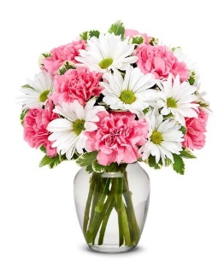

23-BF377-11K | Daisy & Rose Delight |  | Standard |  | Deluxe |  | Premium |  | Exquisite
 |  | ea. | 23-BF377-11Ks |  | 23-BF377-11Kd |  | 23-BF377-11Kp |  | 23-BF377-11Ke
 | retail (w/o delivery) |  |  | $30 |  | $40 |  | $50 |  | $80
 | FTD.com Retail |  |  | $40 |  | $50 |  | $60 |  | $90
Pink | 50 cm Roses | $0.96 | 0 | $0.00 | 5 | $4.80 | 5 | $4.80 | 5 | $4.80
Pink | Standard Carnations | $0.53 | 7 | $3.71 | 3 | $1.59 | 3 | $1.59 | 3 | $1.59
White | Daisy Pompon stems | $0.63 | 3 | $1.89 | 3 | $1.89 | 3 | $1.89 | 3 | $1.89
 | Variegated Pittosporum stems | $0.69 | 2 | $1.38 | 2 | $1.38 | 2 | $1.38 | 2 | $1.38
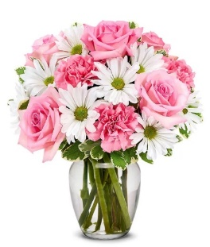
 |  |  |  | $0.00 |  | $0.00 |  | $0.00 |  | $0.00
 |  |  |  | $0.00 |  | $0.00 |  | $0.00 |  | $0.00
 |  |  |  | $0.00 |  | $0.00 |  | $0.00 |  | $0.00
 |  |  |  | $0.00 |  | $0.00 |  | $0.00 |  | $0.00
 |  |  |  | $0.00 |  | $0.00 |  | $0.00 |  | $0.00
 |  |  |  | $0.00 |  | $0.00 |  | $0.00 |  | $0.00
 |  |  |  | $0.00 |  | $0.00 |  | $0.00 |  | $0.00
 | Generic Clear Glass Vase | $2.50 | 1 | $2.50 | 1 | $2.50 | 1 | $2.50 |  | $0.00
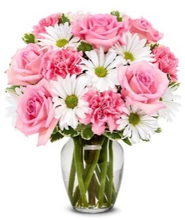
 | TOTAL |  |  | $9.48 |  | $12.16 |  | $12.16 |  | $9.66
 | retail (w/o delivery) |  |  | $29.99 |  | $39.99 |  | $49.99 |  | $79.99
 | executing value (retail * .71) | 0.71 |  | $21.29 |  | $28.39 |  | $35.49 |  | $56.79
 | COGS (EV * .50) | 0.50 |  | $10.65 |  | $14.20 |  | $17.75 |  | $28.40
 | Gross Margin (EV * .50) | 0.50 |  | $10.65 |  | $14.20 |  | $17.75 |  | $28.40
 | ACTUAL GROSS MARGIN (EV-TOTAL) |  |  | $11.81 |  | $16.23 |  | $23.33 |  | $47.13
 | Labor Cost (retail x -10%) | -10% |  | -$3.00 |  | -$4.00 |  | -$5.00 |  | -$8.00
 | FTO | -2.75 |  | -$2.75 |  | -$2.75 |  | -$2.75 |  | -$2.75
 | UCP Fee | -4.99 |  | -$4.99 |  | -$4.99 |  | -$4.99 |  | -$4.99
 | Other Fees | -3.00 |  | -$3.00 |  | -$3.00 |  | -$3.00 |  | -$3.00
 | TOTAL (bottom line that florist makes) |  |  | -$1.93 |  | $1.49 |  | $7.59 |  | $28.39
 | Net Margin (TOTAL abv/RETAIL) |  |  | -6.42% |  | 3.74% |  | 15.19% |  | 35.50%

 | Actual COGS Percentage of Retail w/o delivery |  |  | 31.61% |  | 30.41% |  | 24.32% |  | 12.08%

 |  |  | inches | cm | inches | cm | inches | cm | inches | cm
 |  | H |  | 0 |  | 0 |  | 0 |  | 0
 |  | W |  | 0 |  | 0 |  | 0 |  | 0
 |  | W |  | 0 |  | 0 |  | 0 |  | 0

EDAY 2023 PRICING
 |  | NEW 2023 |  | CDAY 2023
 | Alstroemeria stems | $0.62 | -$0.29 | $0.91
 | Asiatic Lily stems | $1.47 | -$0.07 | $1.54
 | Button Pompon stems | $0.63 | -$0.12 | $0.75
 | Cushion Pompon stems | $0.63 | -$0.12 | $0.75
 | Daisy Pompon stems | $0.63 | -$0.12 | $0.75
 | Double Lisianthus stems | $1.28 | -$0.32 | $1.60
 | Delphinium stems, Belladonna | $1.06 | -$0.44 | $1.50
 | Delphinium stems, hybrid | $1.26 | -$0.92 | $2.18
 | Disbud Stem | $0.84 | -$0.13 | $0.97
 | Gerbera Daisies | $1.14 | -$0.36 | $1.50
Blue | Hydrangea blooms | $2.30 | $0.02 | $2.28
Green | Mini Hydrangea blooms | $1.69 | $0.05 | $1.64
White | Hydrangea blooms | $2.14 | $0.00 | $2.14
 | Hypericum Berry stems | $0.77 | -$0.13 | $0.90
 | Iris stems | $1.13 | -$0.07 | $1.20
 | LA Hybrid Lily stems | $1.47 | -$0.17 | $1.64
 | Limonium Blue stream | $0.84 | -$0.31 | $1.15
 | Limonium Misty Blue | $0.84 |  | $1.41
 | Matsumoto Aster stems | $0.79 | -$0.05 | $0.84
 | Mini Calla Lilies | $1.65 | -$0.77 | $2.42
 | Mini Carnation stems | $0.51 | -$0.18 | $0.69
 | Monte Casino stems | $0.66 | $0.00 | $0.66
White | Queen Anne's Lace | $1.29 |  | $1.25
 | Ranunculus | $1.64 |  | $2.85
Orange | 50 cm Roses | $0.96 | -$0.08 | $1.04
Yellow | 50 cm Roses | $0.96 | -$0.12 | $1.08
Peach | 50 cm Roses | $0.96 | -$0.12 | $1.08
Pink | 50 cm Roses | $0.96 | -$0.19 | $1.15
Lavender | 50 cm Roses | $0.96 | -$0.12 | $1.08
White | 50 cm Roses | $0.96 | -$0.32 | $1.28
Red | 50 cm Roses | $0.87 | -$0.31 | $1.18
 | Snapdragon stems | $0.92 | -$0.28 | $1.20
 | Solidago stems | $0.63 | $0.06 | $0.57
 | Spider Mums | $0.84 | $0.00 | $0.84
 | Spray Rose stems | $0.90 | -$0.52 | $1.42
 | Standard Carnations | $0.53 | -$0.18 | $0.71
 | Star of Bethlehem stems | $0.85 |  | $1.18
 | Statice stems | $0.59 | -$0.15 | $0.74
 | Stock stems | $0.85 | -$0.13 | $0.98
 | Sweet William | $0.77 | -$0.25 | $1.02
 | Eryngium thistle stems | $1.40 | -$0.30 | $1.70
Green | Trick Dianthus stems | $0.94 | -$0.16 | $1.10
 | Waxflower stems | $1.41 | -$0.19 | $1.60

 | Baby Blue Eucalyptus stems | $0.99 | -$0.01 | $1.00
 | Dusty Miller Stems | $0.98 |  | $1.05
 | Gunni Eucalyptus stems | $1.09 | -$0.19 | $1.28
 | Silver dollar Eucalyptus stems | $2.10 | $0.00 | $2.10
 | Green Pittosporum stems | $0.67 | -$0.04 | $0.71
 | Israeli Ruscus stems | $0.35 | -$0.05 | $0.40
 | Italian Variegated Pittosporum stems | $0.82 | -$0.08 | $0.90
 | Salal tips | $0.26 | -$0.02 | $0.28
 | Seeded Eucalyptus stems | $2.10 | -$0.03 | $2.13
 | Variegated Pittosporum stems | $0.69 | -$0.05 | $0.74

T17M200-2
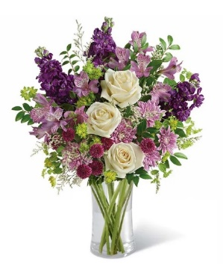
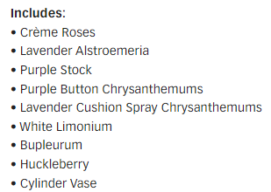
23-T17M200-2 | Lush Lavender Bouquet |  | Standard |  | Deluxe |  | Premium |  | Exquisite
 |  | ea. | 23-T17M200-2s |  | 23-T17M200-2d |  | 23-T17M200-2p |  | 23-T17M200-2e
 | retail (w/o delivery) |  |  | $50 |  | $60 |  | $70 |  | $100
 | FTD.com Retail |  |  | $60 |  | $70 |  | $80 |  | $110
Ivory | 50 cm Roses | $0.96 | 3 | $2.88 | 6 | $5.76 | 8 | $7.68 |  | $0.00
Lavender | Alstroemeria stems | $0.62 | 3 | $1.86 | 3 | $1.86 | 3 | $1.86 |  | $0.00
Purplr | Stock stems | $0.85 | 3 | $2.55 | 3 | $2.55 | 4 | $3.40 |  | $0.00
Green | Button Pompon stems | $0.63 | 2 | $1.26 | 2 | $1.26 | 2 | $1.26 |  | $0.00
Lavender | Cushion Pompon stems | $0.63 | 2 | $1.26 | 2 | $1.26 | 2 | $1.26 |  | $0.00
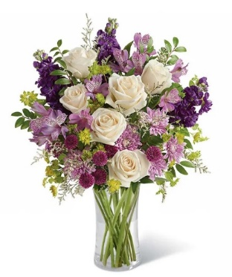
 | Limonium Misty Blue | $0.84 | 1 | $0.84 | 2 | $1.68 | 2 | $1.68 |  | $0.00
 | Bupleurum Stems | $0.82 | 3 | $2.46 | 3 | $2.46 | 3 | $2.46 |  | $0.00
 | Huckleberry | $0.50 | 2 | $1.00 | 2 | $1.00 | 2 | $1.00 |  | $0.00
 |  |  |  | $0.00 |  | $0.00 |  | $0.00 |  | $0.00
 |  |  |  | $0.00 |  | $0.00 |  | $0.00 |  | $0.00
 |  |  |  | $0.00 |  | $0.00 |  | $0.00 |  | $0.00
 | Generic Clear Glass Vase | $2.50 | 1 | $2.50 | 1 | $2.50 | 1 | $2.50 |  | $0.00
 | TOTAL |  |  | $16.61 |  | $20.33 |  | $23.10 |  | $0.00
 | retail (w/o delivery) |  |  | $49.99 |  | $59.99 |  | $69.99 |  | $99.99
 | executing value (retail * .71) | 0.71 |  | $35.49 |  | $42.59 |  | $49.69 |  | $70.99
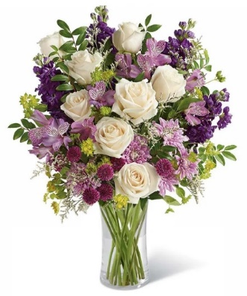
 | COGS (EV * .50) | 0.50 |  | $17.75 |  | $21.30 |  | $24.85 |  | $35.50
 | Gross Margin (EV * .50) | 0.50 |  | $17.75 |  | $21.30 |  | $24.85 |  | $35.50
 | ACTUAL GROSS MARGIN (EV-TOTAL) |  |  | $18.88 |  | $22.26 |  | $26.59 |  | $70.99
 | Labor Cost (retail x -10%) | -10% |  | -$5.00 |  | -$6.00 |  | -$7.00 |  | -$10.00
 | FTO | -2.75 |  | -$2.75 |  | -$2.75 |  | -$2.75 |  | -$2.75
 | UCP Fee | -4.99 |  | -$4.99 |  | -$4.99 |  | -$4.99 |  | -$4.99
 | Other Fees | -3.00 |  | -$3.00 |  | -$3.00 |  | -$3.00 |  | -$3.00
 | TOTAL (bottom line that florist makes) |  |  | $3.14 |  | $5.52 |  | $8.85 |  | $50.25
 | Net Margin (TOTAL abv/RETAIL) |  |  | 6.29% |  | 9.21% |  | 12.65% |  | 50.26%

 | Actual COGS Percentage of Retail w/o delivery |  |  | 33.23% |  | 33.89% |  | 33.00% |  | 0.00%

 |  |  | inches | cm | inches | cm | inches | cm | inches | cm
 |  | H |  | 0 |  | 0 |  | 0 |  | 0
 |  | W |  | 0 |  | 0 |  | 0 |  | 0
 |  | W |  | 0 |  | 0 |  | 0 |  | 0

EDAY 2023 PRICING
 |  | NEW 2023 |  | CDAY 2023
 | Alstroemeria stems | $0.62 | -$0.29 | $0.91
 | Asiatic Lily stems | $1.47 | -$0.07 | $1.54
 | Button Pompon stems | $0.63 | -$0.12 | $0.75
 | Cushion Pompon stems | $0.63 | -$0.12 | $0.75
 | Daisy Pompon stems | $0.63 | -$0.12 | $0.75
 | Double Lisianthus stems | $1.28 | -$0.32 | $1.60
 | Delphinium stems, Belladonna | $1.06 | -$0.44 | $1.50
 | Delphinium stems, hybrid | $1.26 | -$0.92 | $2.18
 | Disbud Stem | $0.84 | -$0.13 | $0.97
 | Gerbera Daisies | $1.14 | -$0.36 | $1.50
Blue | Hydrangea blooms | $2.30 | $0.02 | $2.28
Green | Mini Hydrangea blooms | $1.69 | $0.05 | $1.64
White | Hydrangea blooms | $2.14 | $0.00 | $2.14
 | Hypericum Berry stems | $0.77 | -$0.13 | $0.90
 | Iris stems | $1.13 | -$0.07 | $1.20
 | LA Hybrid Lily stems | $1.47 | -$0.17 | $1.64
 | Limonium Blue stream | $0.84 | -$0.31 | $1.15
 | Limonium Misty Blue | $0.84 |  | $1.41
 | Matsumoto Aster stems | $0.79 | -$0.05 | $0.84
 | Mini Calla Lilies | $1.65 | -$0.77 | $2.42
 | Mini Carnation stems | $0.51 | -$0.18 | $0.69
 | Monte Casino stems | $0.66 | $0.00 | $0.66
White | Queen Anne's Lace | $1.29 |  | $1.25
 | Ranunculus | $1.64 |  | $2.85
Orange | 50 cm Roses | $0.96 | -$0.08 | $1.04
Yellow | 50 cm Roses | $0.96 | -$0.12 | $1.08
Peach | 50 cm Roses | $0.96 | -$0.12 | $1.08
Pink | 50 cm Roses | $0.96 | -$0.19 | $1.15
Lavender | 50 cm Roses | $0.96 | -$0.12 | $1.08
White | 50 cm Roses | $0.96 | -$0.32 | $1.28
Red | 50 cm Roses | $0.87 | -$0.31 | $1.18
 | Snapdragon stems | $0.92 | -$0.28 | $1.20
 | Solidago stems | $0.63 | $0.06 | $0.57
 | Spider Mums | $0.84 | $0.00 | $0.84
 | Spray Rose stems | $0.90 | -$0.52 | $1.42
 | Standard Carnations | $0.53 | -$0.18 | $0.71
 | Star of Bethlehem stems | $0.85 |  | $1.18
 | Statice stems | $0.59 | -$0.15 | $0.74
 | Stock stems | $0.85 | -$0.13 | $0.98
 | Sweet William | $0.77 | -$0.25 | $1.02
 | Eryngium thistle stems | $1.40 | -$0.30 | $1.70
Green | Trick Dianthus stems | $0.94 | -$0.16 | $1.10
 | Waxflower stems | $1.41 | -$0.19 | $1.60

 | Baby Blue Eucalyptus stems | $0.99 | -$0.01 | $1.00
 | Dusty Miller Stems | $0.98 |  | $1.05
 | Gunni Eucalyptus stems | $1.09 | -$0.19 | $1.28
 | Silver dollar Eucalyptus stems | $2.10 | $0.00 | $2.10
 | Green Pittosporum stems | $0.67 | -$0.04 | $0.71
 | Israeli Ruscus stems | $0.35 | -$0.05 | $0.40
 | Italian Variegated Pittosporum stems | $0.82 | -$0.08 | $0.90
 | Salal tips | $0.26 | -$0.02 | $0.28
 | Seeded Eucalyptus stems | $2.10 | -$0.03 | $2.13
 | Variegated Pittosporum stems | $0.69 | -$0.05 | $0.74

FYF-893
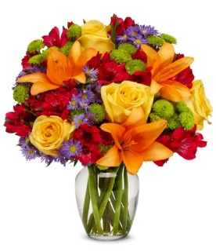
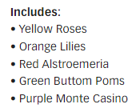
#VALUE! | Bursting with Joy Bouquet |  | Standard |  | Deluxe |  | Premium |  | Exquisite
 |  | ea. | #VALUE! |  | #VALUE! |  | #VALUE! |  | #VALUE!
 | retail (w/o delivery) |  |  | $35 |  | $45 |  | $55 |  | $85
 | FTD.com Retail |  |  | $45 |  | $55 |  | $65 |  | $95
Yellow | 50 cm Roses | $0.96 |  | $0.00 |  | $0.00 | 3 | $2.88 |  | $0.00
Orange | Asiatic Lily stems | $1.47 |  | $0.00 |  | $0.00 | 3 | $4.41 |  | $0.00
Red | Alstroemeria stems | $0.62 |  | $0.00 |  | $0.00 | 6 | $3.72 |  | $0.00
Green | Button Pompon stems | $0.63 |  | $0.00 |  | $0.00 | 5 | $3.15 |  | $0.00
Purple | Monte Casino stems | $0.66 |  | $0.00 |  | $0.00 | 3 | $1.98 |  | $0.00

 |  |  |  | $0.00 |  | $0.00 |  | $0.00 |  | $0.00
 |  |  |  | $0.00 |  | $0.00 |  | $0.00 |  | $0.00
 |  |  |  | $0.00 |  | $0.00 |  | $0.00 |  | $0.00
 |  |  |  | $0.00 |  | $0.00 |  | $0.00 |  | $0.00 | Looks like the same image for all 3 sizes
 |  |  |  | $0.00 |  | $0.00 |  | $0.00 |  | $0.00
 |  |  |  | $0.00 |  | $0.00 |  | $0.00 |  | $0.00
 | Generic Clear Glass Vase | $2.50 | 1 | $2.50 | 1 | $2.50 | 1 | $2.50 |  | $0.00
 | TOTAL |  |  | $2.50 |  | $2.50 |  | $18.64 |  | $0.00

 | retail (w/o delivery) |  |  | $34.99 |  | $44.99 |  | $54.99 |  | $84.99
 | executing value (retail * .71) | 0.71 |  | $24.84 |  | $31.94 |  | $39.04 |  | $60.34
 | COGS (EV * .50) | 0.50 |  | $12.42 |  | $15.97 |  | $19.52 |  | $30.17
 | Gross Margin (EV * .50) | 0.50 |  | $12.42 |  | $15.97 |  | $19.52 |  | $30.17
 | ACTUAL GROSS MARGIN (EV-TOTAL) |  |  | $22.34 |  | $29.44 |  | $20.40 |  | $60.34
 | Labor Cost (retail x -10%) | -10% |  | -$3.50 |  | -$4.50 |  | -$5.50 |  | -$8.50
 | FTO | -2.75 |  | -$2.75 |  | -$2.75 |  | -$2.75 |  | -$2.75
 | UCP Fee | -4.99 |  | -$4.99 |  | -$4.99 |  | -$4.99 |  | -$4.99
 | Other Fees | -3.00 |  | -$3.00 |  | -$3.00 |  | -$3.00 |  | -$3.00
 | TOTAL (bottom line that florist makes) |  |  | $8.10 |  | $14.20 |  | $4.16 |  | $41.10
 | Net Margin (TOTAL abv/RETAIL) |  |  | 23.16% |  | 31.57% |  | 7.57% |  | 48.36%

 | Actual COGS Percentage of Retail w/o delivery |  |  | 7.14% |  | 5.56% |  | 33.90% |  | 0.00%

 |  |  | inches | cm | inches | cm | inches | cm | inches | cm
 |  | H |  | 0 |  | 0 |  | 0 |  | 0
 |  | W |  | 0 |  | 0 |  | 0 |  | 0
 |  | W |  | 0 |  | 0 |  | 0 |  | 0

EDAY 2023 PRICING
 |  | NEW 2023 |  | CDAY 2023
 | Alstroemeria stems | $0.62 | -$0.29 | $0.91
 | Asiatic Lily stems | $1.47 | -$0.07 | $1.54
 | Button Pompon stems | $0.63 | -$0.12 | $0.75
 | Cushion Pompon stems | $0.63 | -$0.12 | $0.75
 | Daisy Pompon stems | $0.63 | -$0.12 | $0.75
 | Double Lisianthus stems | $1.28 | -$0.32 | $1.60
 | Delphinium stems, Belladonna | $1.06 | -$0.44 | $1.50
 | Delphinium stems, hybrid | $1.26 | -$0.92 | $2.18
 | Disbud Stem | $0.84 | -$0.13 | $0.97
 | Gerbera Daisies | $1.14 | -$0.36 | $1.50
Blue | Hydrangea blooms | $2.30 | $0.02 | $2.28
Green | Mini Hydrangea blooms | $1.69 | $0.05 | $1.64
White | Hydrangea blooms | $2.14 | $0.00 | $2.14
 | Hypericum Berry stems | $0.77 | -$0.13 | $0.90
 | Iris stems | $1.13 | -$0.07 | $1.20
 | LA Hybrid Lily stems | $1.47 | -$0.17 | $1.64
 | Limonium Blue stream | $0.84 | -$0.31 | $1.15
 | Limonium Misty Blue | $0.84 |  | $1.41
 | Matsumoto Aster stems | $0.79 | -$0.05 | $0.84
 | Mini Calla Lilies | $1.65 | -$0.77 | $2.42
 | Mini Carnation stems | $0.51 | -$0.18 | $0.69
 | Monte Casino stems | $0.66 | $0.00 | $0.66
White | Queen Anne's Lace | $1.29 |  | $1.25
 | Ranunculus | $1.64 |  | $2.85
Orange | 50 cm Roses | $0.96 | -$0.08 | $1.04
Yellow | 50 cm Roses | $0.96 | -$0.12 | $1.08
Peach | 50 cm Roses | $0.96 | -$0.12 | $1.08
Pink | 50 cm Roses | $0.96 | -$0.19 | $1.15
Lavender | 50 cm Roses | $0.96 | -$0.12 | $1.08
White | 50 cm Roses | $0.96 | -$0.32 | $1.28
Red | 50 cm Roses | $0.87 | -$0.31 | $1.18
 | Snapdragon stems | $0.92 | -$0.28 | $1.20
 | Solidago stems | $0.63 | $0.06 | $0.57
 | Spider Mums | $0.84 | $0.00 | $0.84
 | Spray Rose stems | $0.90 | -$0.52 | $1.42
 | Standard Carnations | $0.53 | -$0.18 | $0.71
 | Star of Bethlehem stems | $0.85 |  | $1.18
 | Statice stems | $0.59 | -$0.15 | $0.74
 | Stock stems | $0.85 | -$0.13 | $0.98
 | Sweet William | $0.77 | -$0.25 | $1.02
 | Eryngium thistle stems | $1.40 | -$0.30 | $1.70
Green | Trick Dianthus stems | $0.94 | -$0.16 | $1.10
 | Waxflower stems | $1.41 | -$0.19 | $1.60

 | Baby Blue Eucalyptus stems | $0.99 | -$0.01 | $1.00
 | Dusty Miller Stems | $0.98 |  | $1.05
 | Gunni Eucalyptus stems | $1.09 | -$0.19 | $1.28
 | Silver dollar Eucalyptus stems | $2.10 | $0.00 | $2.10
 | Green Pittosporum stems | $0.67 | -$0.04 | $0.71
 | Israeli Ruscus stems | $0.35 | -$0.05 | $0.40
 | Italian Variegated Pittosporum stems | $0.82 | -$0.08 | $0.90
 | Salal tips | $0.26 | -$0.02 | $0.28
 | Seeded Eucalyptus stems | $2.10 | -$0.03 | $2.13
 | Variegated Pittosporum stems | $0.69 | -$0.05 | $0.74

BF167-11KM
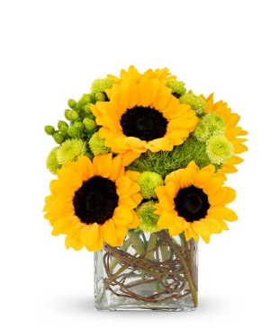
23-BF167-11KM | Sunflower Surprise |  | Standard |  | Deluxe |  | Premium |  | E+J1:K30xquisite
 |  | ea. | 23-BF167-11KMs |  | 23-BF167-11KMd |  | 23-BF167-11KMp |  | 23-BF167-11KMe
 | retail (w/o delivery) |  |  | $40 |  | $50 |  | $60 |  | $90
 | FTD.com Retail |  |  | $50 |  | $60 |  | $70 |  | $100
Yellow | Sunflowers | $1.12 | 5 | $5.60 | 6 | $6.72 | 8 | $8.96 |  | $0.00
Green | Button Pompon stems | $0.63 | 3 | $1.89 | 4 | $2.52 | 4 | $2.52 |  | $0.00
Green | Hypericum Berry stems | $0.77 | 1 | $0.77 | 3 | $2.31 | 2 | $1.54 |  | $0.00
Green | Trick Dianthus stems | $0.94 | 1 | $0.94 | 2 | $1.88 | 2 | $1.88 |  | $0.00
 | Curly willow | $0.60 | 1 | $0.60 | 1 | $0.60 | 1 | $0.60 |  | $0.00
 |  |  |  | $0.00 |  | $0.00 |  | $0.00 |  | $0.00
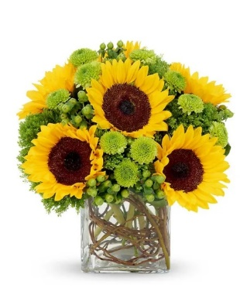
 |  |  |  | $0.00 |  | $0.00 |  | $0.00 |  | $0.00
 |  |  |  | $0.00 |  | $0.00 |  | $0.00 |  | $0.00
 |  |  |  | $0.00 |  | $0.00 |  | $0.00 |  | $0.00 | Button poms, trick dianthus, curly willow missing from the list
 |  |  |  | $0.00 |  | $0.00 |  | $0.00 |  | $0.00
 |  |  |  | $0.00 |  | $0.00 |  | $0.00 |  | $0.00
 | Crystal Square 4x4 | $2.50 | 1 | $2.50 | 1 | $2.50 | 1 | $2.50 |  | $0.00
 | TOTAL |  |  | $12.30 |  | $16.53 |  | $18.00 |  | $0.00
 | retail (w/o delivery) |  |  | $39.99 |  | $49.99 |  | $59.99 |  | $89.99
 | executing value (retail * .71) | 0.71 |  | $28.39 |  | $35.49 |  | $42.59 |  | $63.89
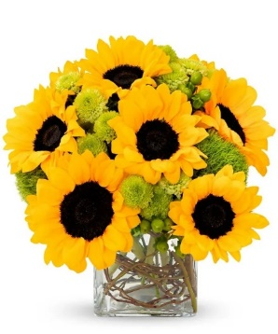
 | COGS (EV * .50) | 0.50 |  | $14.20 |  | $17.75 |  | $21.30 |  | $31.95
 | Gross Margin (EV * .50) | 0.50 |  | $14.20 |  | $17.75 |  | $21.30 |  | $31.95
 | ACTUAL GROSS MARGIN (EV-TOTAL) |  |  | $16.09 |  | $18.96 |  | $24.59 |  | $63.89
 | Labor Cost (retail x -10%) | -10% |  | -$4.00 |  | -$5.00 |  | -$6.00 |  | -$9.00
 | FTO | -2.75 |  | -$2.75 |  | -$2.75 |  | -$2.75 |  | -$2.75
 | UCP Fee | -4.99 |  | -$4.99 |  | -$4.99 |  | -$4.99 |  | -$4.99
 | Other Fees | -3.00 |  | -$3.00 |  | -$3.00 |  | -$3.00 |  | -$3.00
 | TOTAL (bottom line that florist makes) |  |  | $1.35 |  | $3.22 |  | $7.85 |  | $44.15
 | Net Margin (TOTAL abv/RETAIL) |  |  | 3.39% |  | 6.45% |  | 13.09% |  | 49.07%

 | Actual COGS Percentage of Retail w/o delivery |  |  | 30.76% |  | 33.07% |  | 30.01% |  | 0.00%

 |  |  | inches | cm | inches | cm | inches | cm | inches | cm
 |  | H |  | 0 |  | 0 |  | 0 |  | 0
 |  | W |  | 0 |  | 0 |  | 0 |  | 0
 |  | W |  | 0 |  | 0 |  | 0 |  | 0

EDAY 2023 PRICING
 |  | NEW 2023 |  | CDAY 2023
 | Alstroemeria stems | $0.62 | -$0.29 | $0.91
 | Asiatic Lily stems | $1.47 | -$0.07 | $1.54
 | Button Pompon stems | $0.63 | -$0.12 | $0.75
 | Cushion Pompon stems | $0.63 | -$0.12 | $0.75
 | Daisy Pompon stems | $0.63 | -$0.12 | $0.75
 | Double Lisianthus stems | $1.28 | -$0.32 | $1.60
 | Delphinium stems, Belladonna | $1.06 | -$0.44 | $1.50
 | Delphinium stems, hybrid | $1.26 | -$0.92 | $2.18
 | Disbud Stem | $0.84 | -$0.13 | $0.97
 | Gerbera Daisies | $1.14 | -$0.36 | $1.50
Blue | Hydrangea blooms | $2.30 | $0.02 | $2.28
Green | Mini Hydrangea blooms | $1.69 | $0.05 | $1.64
White | Hydrangea blooms | $2.14 | $0.00 | $2.14
 | Hypericum Berry stems | $0.77 | -$0.13 | $0.90
 | Iris stems | $1.13 | -$0.07 | $1.20
 | LA Hybrid Lily stems | $1.47 | -$0.17 | $1.64
 | Limonium Blue stream | $0.84 | -$0.31 | $1.15
 | Limonium Misty Blue | $0.84 |  | $1.41
 | Matsumoto Aster stems | $0.79 | -$0.05 | $0.84
 | Mini Calla Lilies | $1.65 | -$0.77 | $2.42
 | Mini Carnation stems | $0.51 | -$0.18 | $0.69
 | Monte Casino stems | $0.66 | $0.00 | $0.66
White | Queen Anne's Lace | $1.29 |  | $1.25
 | Ranunculus | $1.64 |  | $2.85
Orange | 50 cm Roses | $0.96 | -$0.08 | $1.04
Yellow | 50 cm Roses | $0.96 | -$0.12 | $1.08
Peach | 50 cm Roses | $0.96 | -$0.12 | $1.08
Pink | 50 cm Roses | $0.96 | -$0.19 | $1.15
Lavender | 50 cm Roses | $0.96 | -$0.12 | $1.08
White | 50 cm Roses | $0.96 | -$0.32 | $1.28
Red | 50 cm Roses | $0.87 | -$0.31 | $1.18
 | Snapdragon stems | $0.92 | -$0.28 | $1.20
 | Solidago stems | $0.63 | $0.06 | $0.57
 | Spider Mums | $0.84 | $0.00 | $0.84
 | Spray Rose stems | $0.90 | -$0.52 | $1.42
 | Standard Carnations | $0.53 | -$0.18 | $0.71
 | Star of Bethlehem stems | $0.85 |  | $1.18
 | Statice stems | $0.59 | -$0.15 | $0.74
 | Stock stems | $0.85 | -$0.13 | $0.98
 | Sweet William | $0.77 | -$0.25 | $1.02
 | Eryngium thistle stems | $1.40 | -$0.30 | $1.70
Green | Trick Dianthus stems | $0.94 | -$0.16 | $1.10
 | Waxflower stems | $1.41 | -$0.19 | $1.60

 | Baby Blue Eucalyptus stems | $0.99 | -$0.01 | $1.00
 | Dusty Miller Stems | $0.98 |  | $1.05
 | Gunni Eucalyptus stems | $1.09 | -$0.19 | $1.28
 | Silver dollar Eucalyptus stems | $2.10 | $0.00 | $2.10
 | Green Pittosporum stems | $0.67 | -$0.04 | $0.71
 | Israeli Ruscus stems | $0.35 | -$0.05 | $0.40
 | Italian Variegated Pittosporum stems | $0.82 | -$0.08 | $0.90
 | Salal tips | $0.26 | -$0.02 | $0.28
 | Seeded Eucalyptus stems | $2.10 | -$0.03 | $2.13
 | Variegated Pittosporum stems | $0.69 | -$0.05 | $0.74

BF52-11KM
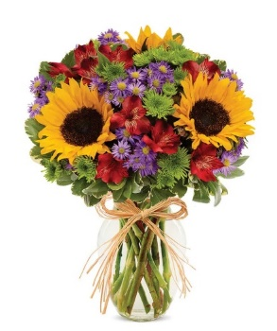
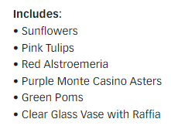
23-BF52-11KM | European Floral Garden |  | Standard |  | Deluxe |  | Premium |  | Exquisite
 |  | ea. | 23-BF52-11KMs |  | 23-BF52-11KMd |  | 23-BF52-11KMp |  | 23-BF52-11KMe
 | retail (w/o delivery) |  |  | $35 |  | $45 |  | $55 |  | $85
 | FTD.com Retail |  |  | $45 |  | $55 |  | $65 |  | $95
Yellow | Sunflowers | $1.12 | 3 | $3.36 | 4 | $4.48 | 5 | $5.60 |  | $0.00
Pink | Tulip | $1.25 | 0 | $0.00 | 2 | $2.50 | 2 | $2.50 |  | $0.00
Red | Alstroemeria stems | $0.62 | 3 | $1.86 | 4 | $2.48 | 4 | $2.48 |  | $0.00
Purple | Monte Casino stems | $0.66 | 3 | $1.98 | 3 | $1.98 | 4 | $2.64 |  | $0.00
Green | Button Pompon stems | $0.63 | 4 | $2.52 | 3 | $1.89 | 3 | $1.89 |  | $0.00
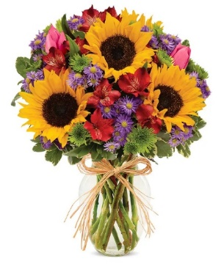
 | Variegated Pittosporum stems | $0.69 | 2 | $1.38 | 2 | $1.38 | 2 | $1.38 |  | $0.00
 |  |  |  | $0.00 |  | $0.00 |  | $0.00 |  | $0.00
 |  |  |  | $0.00 |  | $0.00 |  | $0.00 |  | $0.00
 |  |  |  | $0.00 |  | $0.00 |  | $0.00 |  | $0.00
 |  |  |  | $0.00 |  | $0.00 |  | $0.00 |  | $0.00
 | Raffia | 0.25 | 1 | $0.25 | 1 | $0.25 | 1 | $0.25 |  | $0.00
 | Vase | $2.50 | 1 | $2.50 | 1 | $2.50 | 1 | $2.50 |  | $0.00
 | TOTAL |  |  | $13.85 |  | $17.46 |  | $19.24 |  | $0.00
 | retail (w/o delivery) |  |  | $34.99 |  | $44.99 |  | $54.99 |  | $84.99
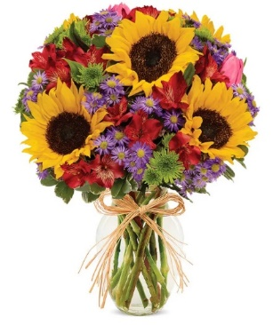
 | executing value (retail * .71) | 0.71 |  | $24.84 |  | $31.94 |  | $39.04 |  | $60.34
 | COGS (EV * .50) | 0.50 |  | $12.42 |  | $15.97 |  | $19.52 |  | $30.17
 | Gross Margin (EV * .50) | 0.50 |  | $12.42 |  | $15.97 |  | $19.52 |  | $30.17
 | ACTUAL GROSS MARGIN (EV-TOTAL) |  |  | $10.99 |  | $14.48 |  | $19.80 |  | $60.34
 | Labor Cost (retail x -10%) | -10% |  | -$3.50 |  | -$4.50 |  | -$5.50 |  | -$8.50
 | FTO | -2.75 |  | -$2.75 |  | -$2.75 |  | -$2.75 |  | -$2.75
 | UCP Fee | -4.99 |  | -$4.99 |  | -$4.99 |  | -$4.99 |  | -$4.99
 | Other Fees | -3.00 |  | -$3.00 |  | -$3.00 |  | -$3.00 |  | -$3.00
 | TOTAL (bottom line that florist makes) |  |  | -$3.25 |  | -$0.76 |  | $3.56 |  | $41.10
 | Net Margin (TOTAL abv/RETAIL) |  |  | -9.28% |  | -1.68% |  | 6.48% |  | 48.36%

 | Actual COGS Percentage of Retail w/o delivery |  |  | 39.58% |  | 38.81% |  | 34.99% |  | 0.00%

 |  |  | inches | cm | inches | cm | inches | cm | inches | cm
 |  | H |  | 0 |  | 0 |  | 0 |  | 0
 |  | W |  | 0 |  | 0 |  | 0 |  | 0
 |  | W |  | 0 |  | 0 |  | 0 |  | 0

EDAY 2023 PRICING
 |  | NEW 2023 |  | CDAY 2023
 | Alstroemeria stems | $0.62 | -$0.29 | $0.91
 | Asiatic Lily stems | $1.47 | -$0.07 | $1.54
 | Button Pompon stems | $0.63 | -$0.12 | $0.75
 | Cushion Pompon stems | $0.63 | -$0.12 | $0.75
 | Daisy Pompon stems | $0.63 | -$0.12 | $0.75
 | Double Lisianthus stems | $1.28 | -$0.32 | $1.60
 | Delphinium stems, Belladonna | $1.06 | -$0.44 | $1.50
 | Delphinium stems, hybrid | $1.26 | -$0.92 | $2.18
 | Disbud Stem | $0.84 | -$0.13 | $0.97
 | Gerbera Daisies | $1.14 | -$0.36 | $1.50
Blue | Hydrangea blooms | $2.30 | $0.02 | $2.28
Green | Mini Hydrangea blooms | $1.69 | $0.05 | $1.64
White | Hydrangea blooms | $2.14 | $0.00 | $2.14
 | Hypericum Berry stems | $0.77 | -$0.13 | $0.90
 | Iris stems | $1.13 | -$0.07 | $1.20
 | LA Hybrid Lily stems | $1.47 | -$0.17 | $1.64
 | Limonium Blue stream | $0.84 | -$0.31 | $1.15
 | Limonium Misty Blue | $0.84 |  | $1.41
 | Matsumoto Aster stems | $0.79 | -$0.05 | $0.84
 | Mini Calla Lilies | $1.65 | -$0.77 | $2.42
 | Mini Carnation stems | $0.51 | -$0.18 | $0.69
 | Monte Casino stems | $0.66 | $0.00 | $0.66
White | Queen Anne's Lace | $1.29 |  | $1.25
 | Ranunculus | $1.64 |  | $2.85
Orange | 50 cm Roses | $0.96 | -$0.08 | $1.04
Yellow | 50 cm Roses | $0.96 | -$0.12 | $1.08
Peach | 50 cm Roses | $0.96 | -$0.12 | $1.08
Pink | 50 cm Roses | $0.96 | -$0.19 | $1.15
Lavender | 50 cm Roses | $0.96 | -$0.12 | $1.08
White | 50 cm Roses | $0.96 | -$0.32 | $1.28
Red | 50 cm Roses | $0.87 | -$0.31 | $1.18
 | Snapdragon stems | $0.92 | -$0.28 | $1.20
 | Solidago stems | $0.63 | $0.06 | $0.57
 | Spider Mums | $0.84 | $0.00 | $0.84
 | Spray Rose stems | $0.90 | -$0.52 | $1.42
 | Standard Carnations | $0.53 | -$0.18 | $0.71
 | Star of Bethlehem stems | $0.85 |  | $1.18
 | Statice stems | $0.59 | -$0.15 | $0.74
 | Stock stems | $0.85 | -$0.13 | $0.98
 | Sweet William | $0.77 | -$0.25 | $1.02
 | Eryngium thistle stems | $1.40 | -$0.30 | $1.70
Green | Trick Dianthus stems | $0.94 | -$0.16 | $1.10
 | Waxflower stems | $1.41 | -$0.19 | $1.60

 | Baby Blue Eucalyptus stems | $0.99 | -$0.01 | $1.00
 | Dusty Miller Stems | $0.98 |  | $1.05
 | Gunni Eucalyptus stems | $1.09 | -$0.19 | $1.28
 | Silver dollar Eucalyptus stems | $2.10 | $0.00 | $2.10
 | Green Pittosporum stems | $0.67 | -$0.04 | $0.71
 | Israeli Ruscus stems | $0.35 | -$0.05 | $0.40
 | Italian Variegated Pittosporum stems | $0.82 | -$0.08 | $0.90
 | Salal tips | $0.26 | -$0.02 | $0.28
 | Seeded Eucalyptus stems | $2.10 | -$0.03 | $2.13
 | Variegated Pittosporum stems | $0.69 | -$0.05 | $0.74

T18M100
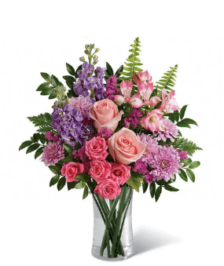
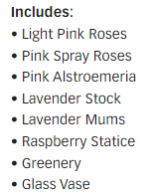
23-T18M100 | Cherry Blossom Bouquet |  | Standard |  | Deluxe |  | Premium |  | Exquisite
 |  | ea. | 23-T18M100s |  | 23-T18M100d |  | 23-T18M100p |  | 23-T18M100e
 | retail (w/o delivery) |  |  | $55 |  | $65 |  | $75 |  | $105
 | FTD.com Retail |  |  | $65 |  | $75 |  | $85 |  | $115
Pink | 50 cm Roses | $0.96 | 2 | $1.92 | 4 | $3.84 | 6 | $5.76 |  | $0.00
Pink | Spray Rose stems | $0.90 | 1 | $0.90 | 1 | $0.90 | 2 | $1.80 |  | $0.00
Pink | Alstroemeria stems | $0.62 | 1 | $0.62 | 1 | $0.62 | 1 | $0.62 |  | $0.00
Lavender | Stock stems | $0.85 | 2 | $1.70 | 3 | $2.55 | 3 | $2.55 |  | $0.00
Lavender | Cushion Pompon stems | $0.63 | 2 | $1.26 | 2 | $1.26 | 2 | $1.26 |  | $0.00
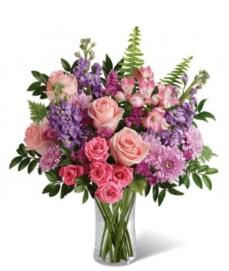
Pink | Statice stems | $0.59 | 2 | $1.18 | 2 | $1.18 | 2 | $1.18 |  | $0.00
 | Fern | $0.25 | 2 | $0.50 | 2 | $0.50 | 2 | $0.50 |  | $0.00
 | Huckleberry? | $0.50 | 3 | $1.50 | 3 | $1.50 | 3 | $1.50 |  | $0.00
 | Leatherleaf | 0.19 | 2 | $0.38 | 2 | $0.38 | 2 | $0.38 |  | $0.00
 |  |  |  | $0.00 |  | $0.00 |  | $0.00 |  | $0.00
 |  |  |  | $0.00 |  | $0.00 |  | $0.00 |  | $0.00
 | Generic Clear Glass Vase | $2.50 | 1 | $2.50 |  | $0.00 |  | $0.00 |  | $0.00
 | TOTAL |  |  | $12.46 |  | $12.73 |  | $15.55 |  | $0.00
 | retail (w/o delivery) |  |  | $54.99 |  | $64.99 |  | $74.99 |  | $104.99
 | executing value (retail * .71) | 0.71 |  | $39.04 |  | $46.14 |  | $53.24 |  | $74.54
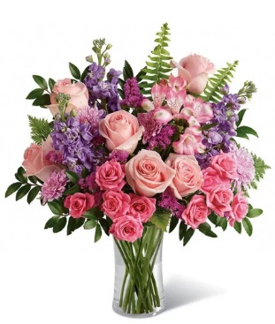
 | COGS (EV * .50) | 0.50 |  | $19.52 |  | $23.07 |  | $26.62 |  | $37.27
 | Gross Margin (EV * .50) | 0.50 |  | $19.52 |  | $23.07 |  | $26.62 |  | $37.27
 | ACTUAL GROSS MARGIN (EV-TOTAL) |  |  | $26.58 |  | $33.41 |  | $37.69 |  | $74.54
 | Labor Cost (retail x -10%) | -10% |  | -$5.50 |  | -$6.50 |  | -$7.50 |  | -$10.50
 | FTO | -2.75 |  | -$2.75 |  | -$2.75 |  | -$2.75 |  | -$2.75
 | UCP Fee | -4.99 |  | -$4.99 |  | -$4.99 |  | -$4.99 |  | -$4.99
 | Other Fees | -3.00 |  | -$3.00 |  | -$3.00 |  | -$3.00 |  | -$3.00
 | TOTAL (bottom line that florist makes) |  |  | $10.34 |  | $16.17 |  | $19.45 |  | $53.30
 | Net Margin (TOTAL abv/RETAIL) |  |  | 18.81% |  | 24.89% |  | 25.94% |  | 50.77%

 | Actual COGS Percentage of Retail w/o delivery |  |  | 22.66% |  | 19.59% |  | 20.74% |  | 0.00%

 |  |  | inches | cm | inches | cm | inches | cm | inches | cm
 |  | H |  | 0 |  | 0 |  | 0 |  | 0
 |  | W |  | 0 |  | 0 |  | 0 |  | 0
 |  | W |  | 0 |  | 0 |  | 0 |  | 0

EDAY 2023 PRICING
 |  | NEW 2023 |  | CDAY 2023
 | Alstroemeria stems | $0.62 | -$0.29 | $0.91
 | Asiatic Lily stems | $1.47 | -$0.07 | $1.54
 | Button Pompon stems | $0.63 | -$0.12 | $0.75
 | Cushion Pompon stems | $0.63 | -$0.12 | $0.75
 | Daisy Pompon stems | $0.63 | -$0.12 | $0.75
 | Double Lisianthus stems | $1.28 | -$0.32 | $1.60
 | Delphinium stems, Belladonna | $1.06 | -$0.44 | $1.50
 | Delphinium stems, hybrid | $1.26 | -$0.92 | $2.18
 | Disbud Stem | $0.84 | -$0.13 | $0.97
 | Gerbera Daisies | $1.14 | -$0.36 | $1.50
Blue | Hydrangea blooms | $2.30 | $0.02 | $2.28
Green | Mini Hydrangea blooms | $1.69 | $0.05 | $1.64
White | Hydrangea blooms | $2.14 | $0.00 | $2.14
 | Hypericum Berry stems | $0.77 | -$0.13 | $0.90
 | Iris stems | $1.13 | -$0.07 | $1.20
 | LA Hybrid Lily stems | $1.47 | -$0.17 | $1.64
 | Limonium Blue stream | $0.84 | -$0.31 | $1.15
 | Limonium Misty Blue | $0.84 |  | $1.41
 | Matsumoto Aster stems | $0.79 | -$0.05 | $0.84
 | Mini Calla Lilies | $1.65 | -$0.77 | $2.42
 | Mini Carnation stems | $0.51 | -$0.18 | $0.69
 | Monte Casino stems | $0.66 | $0.00 | $0.66
White | Queen Anne's Lace | $1.29 |  | $1.25
 | Ranunculus | $1.64 |  | $2.85
Orange | 50 cm Roses | $0.96 | -$0.08 | $1.04
Yellow | 50 cm Roses | $0.96 | -$0.12 | $1.08
Peach | 50 cm Roses | $0.96 | -$0.12 | $1.08
Pink | 50 cm Roses | $0.96 | -$0.19 | $1.15
Lavender | 50 cm Roses | $0.96 | -$0.12 | $1.08
White | 50 cm Roses | $0.96 | -$0.32 | $1.28
Red | 50 cm Roses | $0.87 | -$0.31 | $1.18
 | Snapdragon stems | $0.92 | -$0.28 | $1.20
 | Solidago stems | $0.63 | $0.06 | $0.57
 | Spider Mums | $0.84 | $0.00 | $0.84
 | Spray Rose stems | $0.90 | -$0.52 | $1.42
 | Standard Carnations | $0.53 | -$0.18 | $0.71
 | Star of Bethlehem stems | $0.85 |  | $1.18
 | Statice stems | $0.59 | -$0.15 | $0.74
 | Stock stems | $0.85 | -$0.13 | $0.98
 | Sweet William | $0.77 | -$0.25 | $1.02
 | Eryngium thistle stems | $1.40 | -$0.30 | $1.70
Green | Trick Dianthus stems | $0.94 | -$0.16 | $1.10
 | Waxflower stems | $1.41 | -$0.19 | $1.60

 | Baby Blue Eucalyptus stems | $0.99 | -$0.01 | $1.00
 | Dusty Miller Stems | $0.98 |  | $1.05
 | Gunni Eucalyptus stems | $1.09 | -$0.19 | $1.28
 | Silver dollar Eucalyptus stems | $2.10 | $0.00 | $2.10
 | Green Pittosporum stems | $0.67 | -$0.04 | $0.71
 | Israeli Ruscus stems | $0.35 | -$0.05 | $0.40
 | Italian Variegated Pittosporum stems | $0.82 | -$0.08 | $0.90
 | Salal tips | $0.26 | -$0.02 | $0.28
 | Seeded Eucalyptus stems | $2.10 | -$0.03 | $2.13
 | Variegated Pittosporum stems | $0.69 | -$0.05 | $0.74

BN29-31J
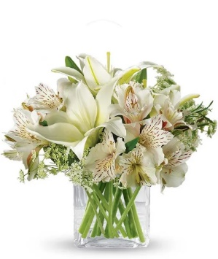
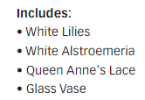
23-BN29-31J | Thinking of You |  | Standard |  | Deluxe |  | Premium |  | Exquisite
 |  | ea. | 23-BN29-31Js |  | 23-BN29-31Jd |  | 23-BN29-31Jp |  | 23-BN29-31Je
 | retail (w/o delivery) |  |  | $35 |  | $45 |  | $55 |  | $85
 | FTD.com Retail |  |  | $45 |  | $55 |  | $65 |  | $95
White | Asiatic Lily stems | $1.47 | 2 | $2.94 |  | $0.00 |  | $0.00 |  | $0.00
White | Alstroemeria stems | $0.62 | 4 | $2.48 |  | $0.00 |  | $0.00 |  | $0.00
White | Queen Anne's Lace | $1.29 | 3 | $3.87 |  | $0.00 |  | $0.00 |  | $0.00
 |  |  |  | $0.00 |  | $0.00 |  | $0.00 |  | $0.00
 |  |  |  | $0.00 |  | $0.00 |  | $0.00 |  | $0.00

 |  |  |  | $0.00 |  | $0.00 |  | $0.00 |  | $0.00
 |  |  |  | $0.00 |  | $0.00 |  | $0.00 |  | $0.00
 |  |  |  | $0.00 |  | $0.00 |  | $0.00 |  | $0.00
 |  |  |  | $0.00 |  | $0.00 |  | $0.00 |  | $0.00
 |  |  |  | $0.00 |  | $0.00 |  | $0.00 |  | $0.00 | Looks like the same image for all 3 sizes not sure what size is in the image
 |  |  |  | $0.00 |  | $0.00 |  | $0.00 |  | $0.00 | Lily looks like might be oriental lily
 | Crystal Square 4x4 | $2.50 | 1 | $2.50 | 1 | $2.50 | 1 | $2.50 | 1 | $2.50
 | TOTAL |  |  | $11.79 |  | $2.50 |  | $2.50 |  | $2.50
 | retail (w/o delivery) |  |  | $34.99 |  | $44.99 |  | $54.99 |  | $84.99

 | executing value (retail * .71) | 0.71 |  | $24.84 |  | $31.94 |  | $39.04 |  | $60.34
 | COGS (EV * .50) | 0.50 |  | $12.42 |  | $15.97 |  | $19.52 |  | $30.17
 | Gross Margin (EV * .50) | 0.50 |  | $12.42 |  | $15.97 |  | $19.52 |  | $30.17
 | ACTUAL GROSS MARGIN (EV-TOTAL) |  |  | $13.05 |  | $29.44 |  | $36.54 |  | $57.84
 | Labor Cost (retail x -10%) | -10% |  | -$3.50 |  | -$4.50 |  | -$5.50 |  | -$8.50
 | FTO | -2.75 |  | -$2.75 |  | -$2.75 |  | -$2.75 |  | -$2.75
 | UCP Fee | -4.99 |  | -$4.99 |  | -$4.99 |  | -$4.99 |  | -$4.99
 | Other Fees | -3.00 |  | -$3.00 |  | -$3.00 |  | -$3.00 |  | -$3.00
 | TOTAL (bottom line that florist makes) |  |  | -$1.19 |  | $14.20 |  | $20.30 |  | $38.60
 | Net Margin (TOTAL abv/RETAIL) |  |  | -3.39% |  | 31.57% |  | 36.92% |  | 45.42%

 | Actual COGS Percentage of Retail w/o delivery |  |  | 33.70% |  | 5.56% |  | 4.55% |  | 2.94%

 |  |  | inches | cm | inches | cm | inches | cm | inches | cm
 |  | H |  | 0 |  | 0 |  | 0 |  | 0
 |  | W |  | 0 |  | 0 |  | 0 |  | 0
 |  | W |  | 0 |  | 0 |  | 0 |  | 0

EDAY 2023 PRICING
 |  | NEW 2023 |  | CDAY 2023
 | Alstroemeria stems | $0.62 | -$0.29 | $0.91
 | Asiatic Lily stems | $1.47 | -$0.07 | $1.54
 | Button Pompon stems | $0.63 | -$0.12 | $0.75
 | Cushion Pompon stems | $0.63 | -$0.12 | $0.75
 | Daisy Pompon stems | $0.63 | -$0.12 | $0.75
 | Double Lisianthus stems | $1.28 | -$0.32 | $1.60
 | Delphinium stems, Belladonna | $1.06 | -$0.44 | $1.50
 | Delphinium stems, hybrid | $1.26 | -$0.92 | $2.18
 | Disbud Stem | $0.84 | -$0.13 | $0.97
 | Gerbera Daisies | $1.14 | -$0.36 | $1.50
Blue | Hydrangea blooms | $2.30 | $0.02 | $2.28
Green | Mini Hydrangea blooms | $1.69 | $0.05 | $1.64
White | Hydrangea blooms | $2.14 | $0.00 | $2.14
 | Hypericum Berry stems | $0.77 | -$0.13 | $0.90
 | Iris stems | $1.13 | -$0.07 | $1.20
 | LA Hybrid Lily stems | $1.47 | -$0.17 | $1.64
 | Limonium Blue stream | $0.84 | -$0.31 | $1.15
 | Limonium Misty Blue | $0.84 |  | $1.41
 | Matsumoto Aster stems | $0.79 | -$0.05 | $0.84
 | Mini Calla Lilies | $1.65 | -$0.77 | $2.42
 | Mini Carnation stems | $0.51 | -$0.18 | $0.69
 | Monte Casino stems | $0.66 | $0.00 | $0.66
White | Queen Anne's Lace | $1.29 |  | $1.25
 | Ranunculus | $1.64 |  | $2.85
Orange | 50 cm Roses | $0.96 | -$0.08 | $1.04
Yellow | 50 cm Roses | $0.96 | -$0.12 | $1.08
Peach | 50 cm Roses | $0.96 | -$0.12 | $1.08
Pink | 50 cm Roses | $0.96 | -$0.19 | $1.15
Lavender | 50 cm Roses | $0.96 | -$0.12 | $1.08
White | 50 cm Roses | $0.96 | -$0.32 | $1.28
Red | 50 cm Roses | $0.87 | -$0.31 | $1.18
 | Snapdragon stems | $0.92 | -$0.28 | $1.20
 | Solidago stems | $0.63 | $0.06 | $0.57
 | Spider Mums | $0.84 | $0.00 | $0.84
 | Spray Rose stems | $0.90 | -$0.52 | $1.42
 | Standard Carnations | $0.53 | -$0.18 | $0.71
 | Star of Bethlehem stems | $0.85 |  | $1.18
 | Statice stems | $0.59 | -$0.15 | $0.74
 | Stock stems | $0.85 | -$0.13 | $0.98
 | Sweet William | $0.77 | -$0.25 | $1.02
 | Eryngium thistle stems | $1.40 | -$0.30 | $1.70
Green | Trick Dianthus stems | $0.94 | -$0.16 | $1.10
 | Waxflower stems | $1.41 | -$0.19 | $1.60

 | Baby Blue Eucalyptus stems | $0.99 | -$0.01 | $1.00
 | Dusty Miller Stems | $0.98 |  | $1.05
 | Gunni Eucalyptus stems | $1.09 | -$0.19 | $1.28
 | Silver dollar Eucalyptus stems | $2.10 | $0.00 | $2.10
 | Green Pittosporum stems | $0.67 | -$0.04 | $0.71
 | Israeli Ruscus stems | $0.35 | -$0.05 | $0.40
 | Italian Variegated Pittosporum stems | $0.82 | -$0.08 | $0.90
 | Salal tips | $0.26 | -$0.02 | $0.28
 | Seeded Eucalyptus stems | $2.10 | -$0.03 | $2.13
 | Variegated Pittosporum stems | $0.69 | -$0.05 | $0.74

